73 ResourceAbundanceObservation
Source: | http://ontologydesignpatterns.org/wiki/Submissions:ResourceAbundanceObservation

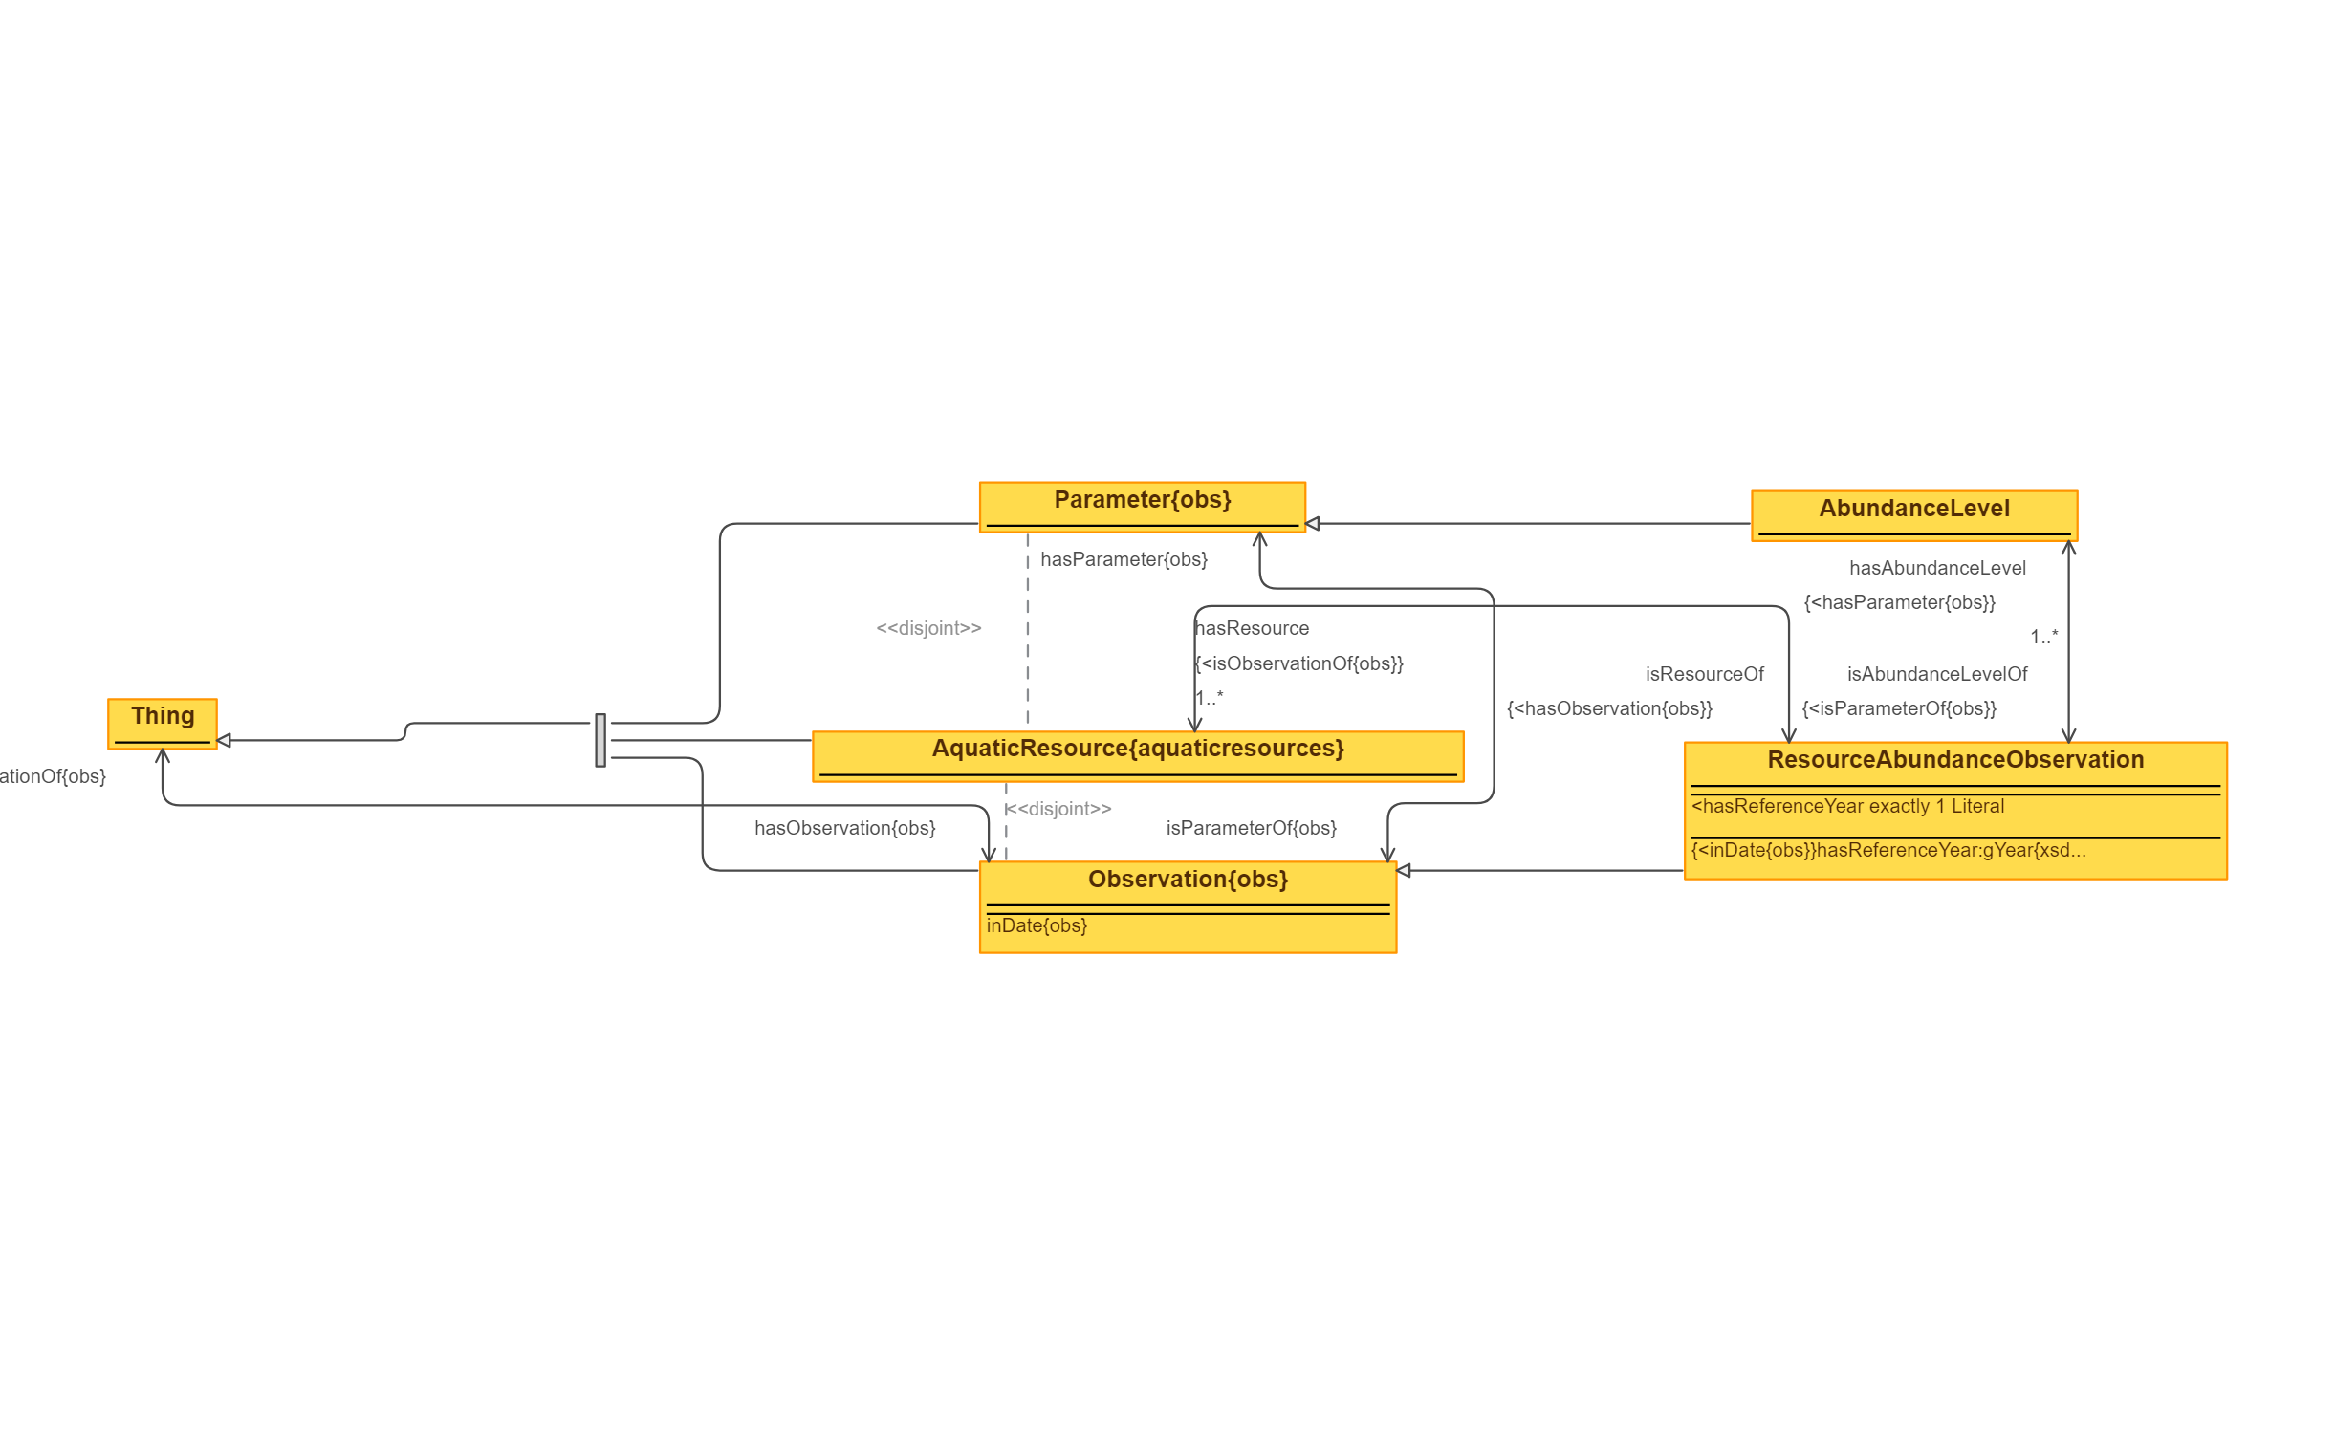
 | Triples |  | IMAGE
Node 1 | Edge | Node 2
Parameter | subClassOf | Thing
AquaticResource | subClassOf | Thing
Observation | subClassOf | Thing
Thing | hasObservation | Observation
Observation | isObservationOf | Thing
Parameter | disjointClass | AquaticResource
AquaticResource | disjointClass | Observation
AbundanceLevel | subClassOf | Parameter
AbundanceLevel | isAbundanceLevelOf | ResourceAbundanceObservation
ResourceAbundanceObservation | hasAbundanceLevel | AbundanceLevel
ResourceAbundanceObservation | hasResource | AquaticResource
AquaticResource | isResourceOf | ResourceAbundanceObservation
Parameter | isParameterOf | Observation
Observation | hasParameter | Parameter
ResourceAbundanceObservation | subClassOf | Observation

74 ResourceExploitationObservat
Source: | http://ontologydesignpatterns.org/wiki/Submissions:ResourceExploitationObservation
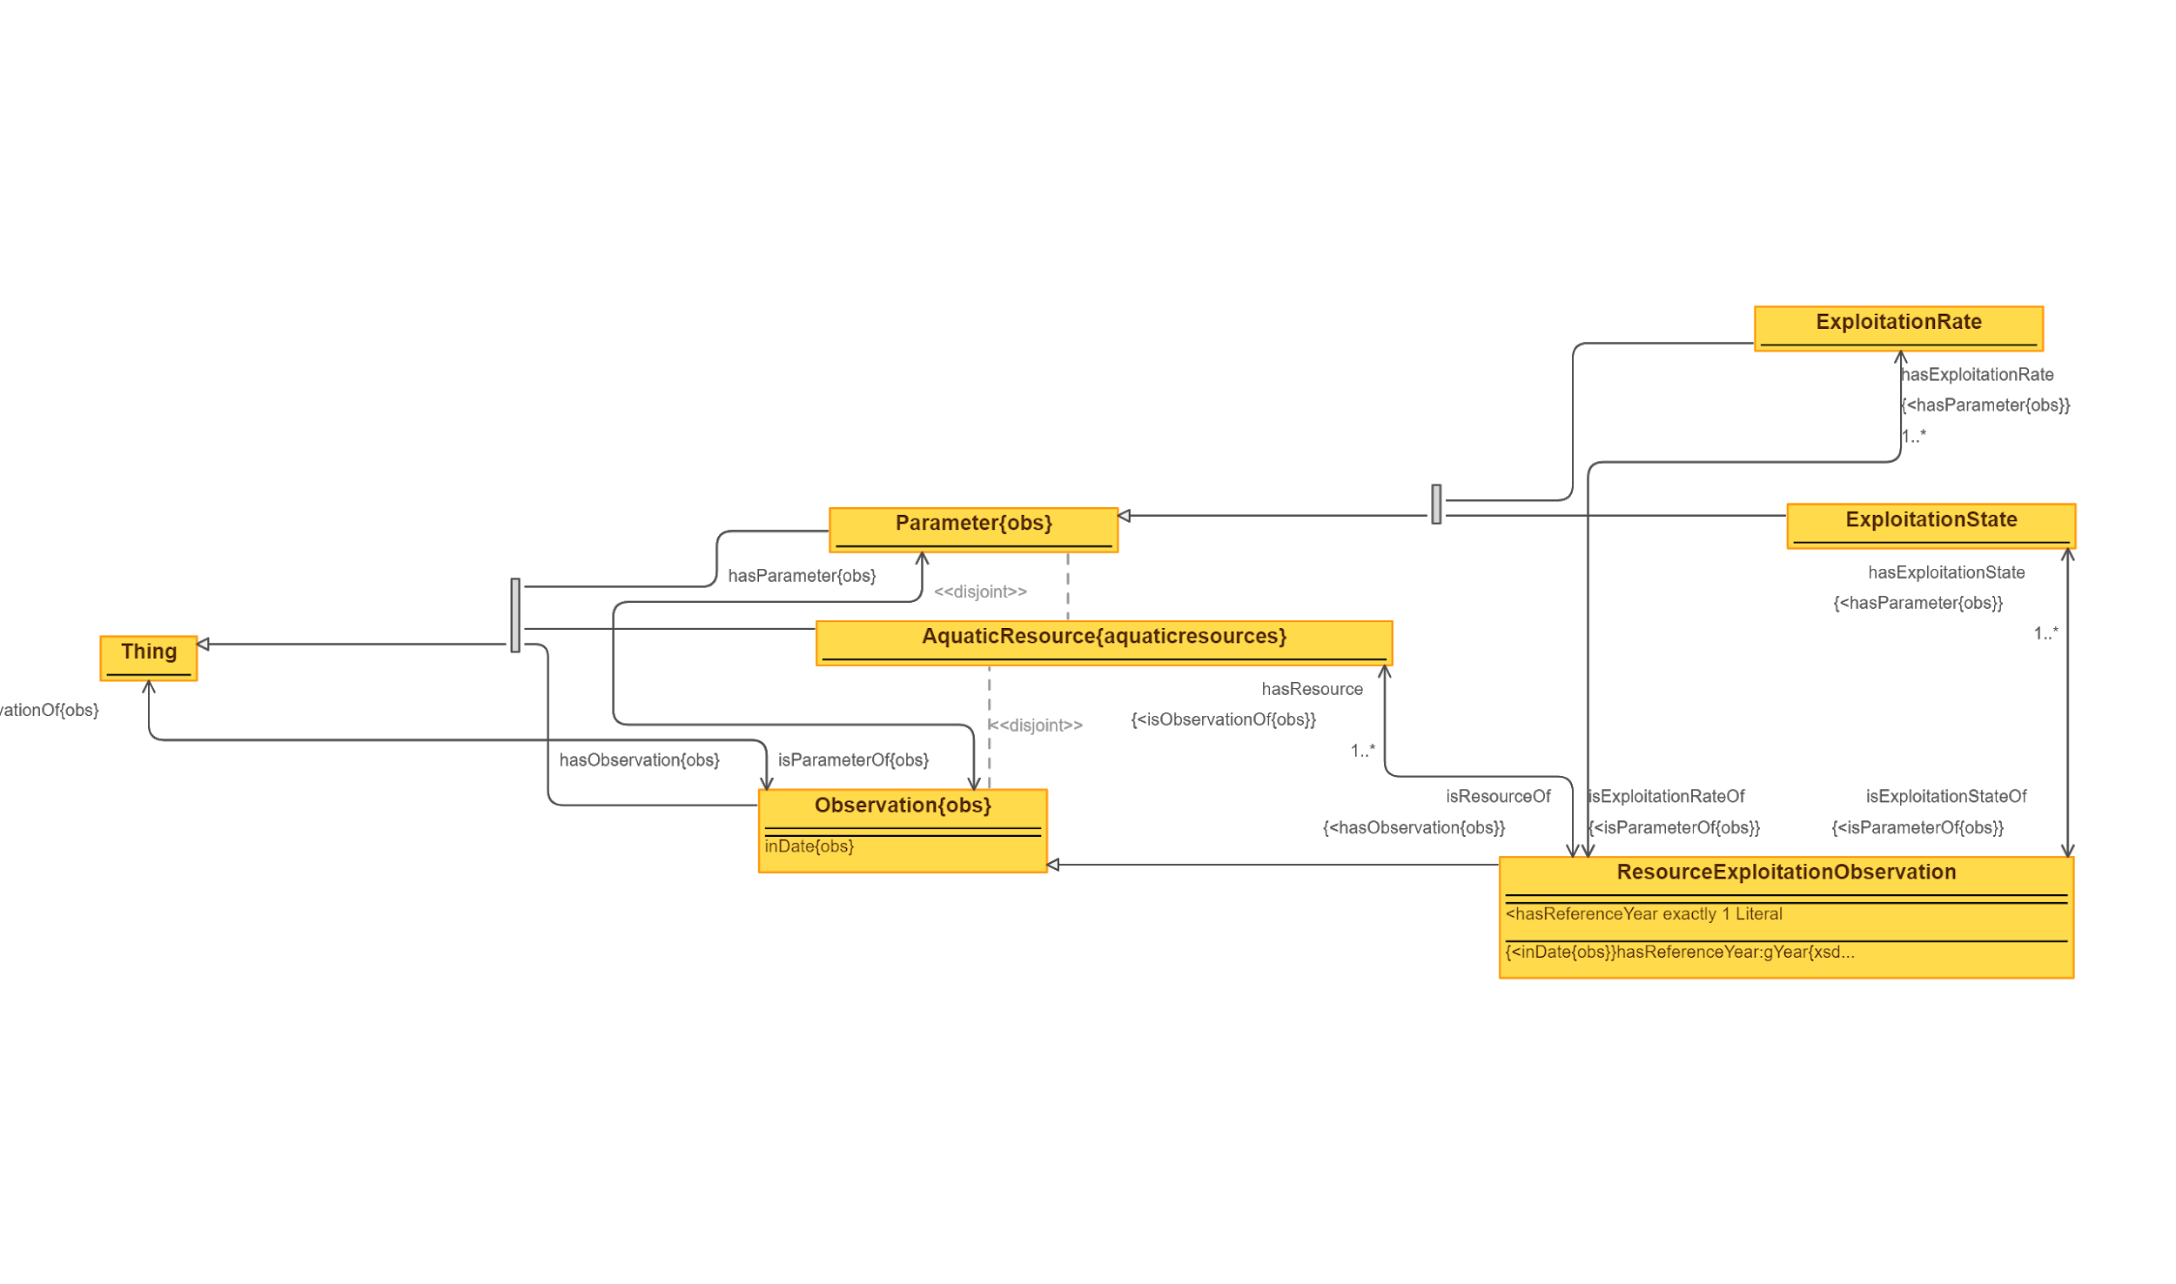
 | Triples |  | IMAGE
Node 1 | Edge | Node 2
Thing | hasObservation | Observation
Observation | subClassOf | Thing
Observation | isObservationOf | Thing
Parameter | subClassOf | Thing
Observation | hasParameter | Parameter
Parameter | isParameterOf | Observation
AquaticResource | subClassOf | Thing
Parameter | disjointClass | AquaticResource
AquaticResource | disjointClass | Observation
ExploitationRate | subClassOf | Parameter
ExloitationState | subClassOf | Parameter
ResourceExploitationObservation | subClassOf | Observation
ResourceExploitationObservation | hasExploitationRate | ExploitationRate
ExploitationRate | isExploitationRateOf | ResourceExploitationObservation
ResourceExploitationObservation | hasExloitationState | ExloitationState
ExloitationState | isExloitationStateOf | ResourceExploitationObservation
ResourceExploitationObservation | hasResource | AquaticResource
AquaticResource | isResourceOf | ResourceExploitationObservation

75 Roles
Source: | http://ontologydesignpatterns.org/wiki/Submissions:Roles_%28OWL_2%29

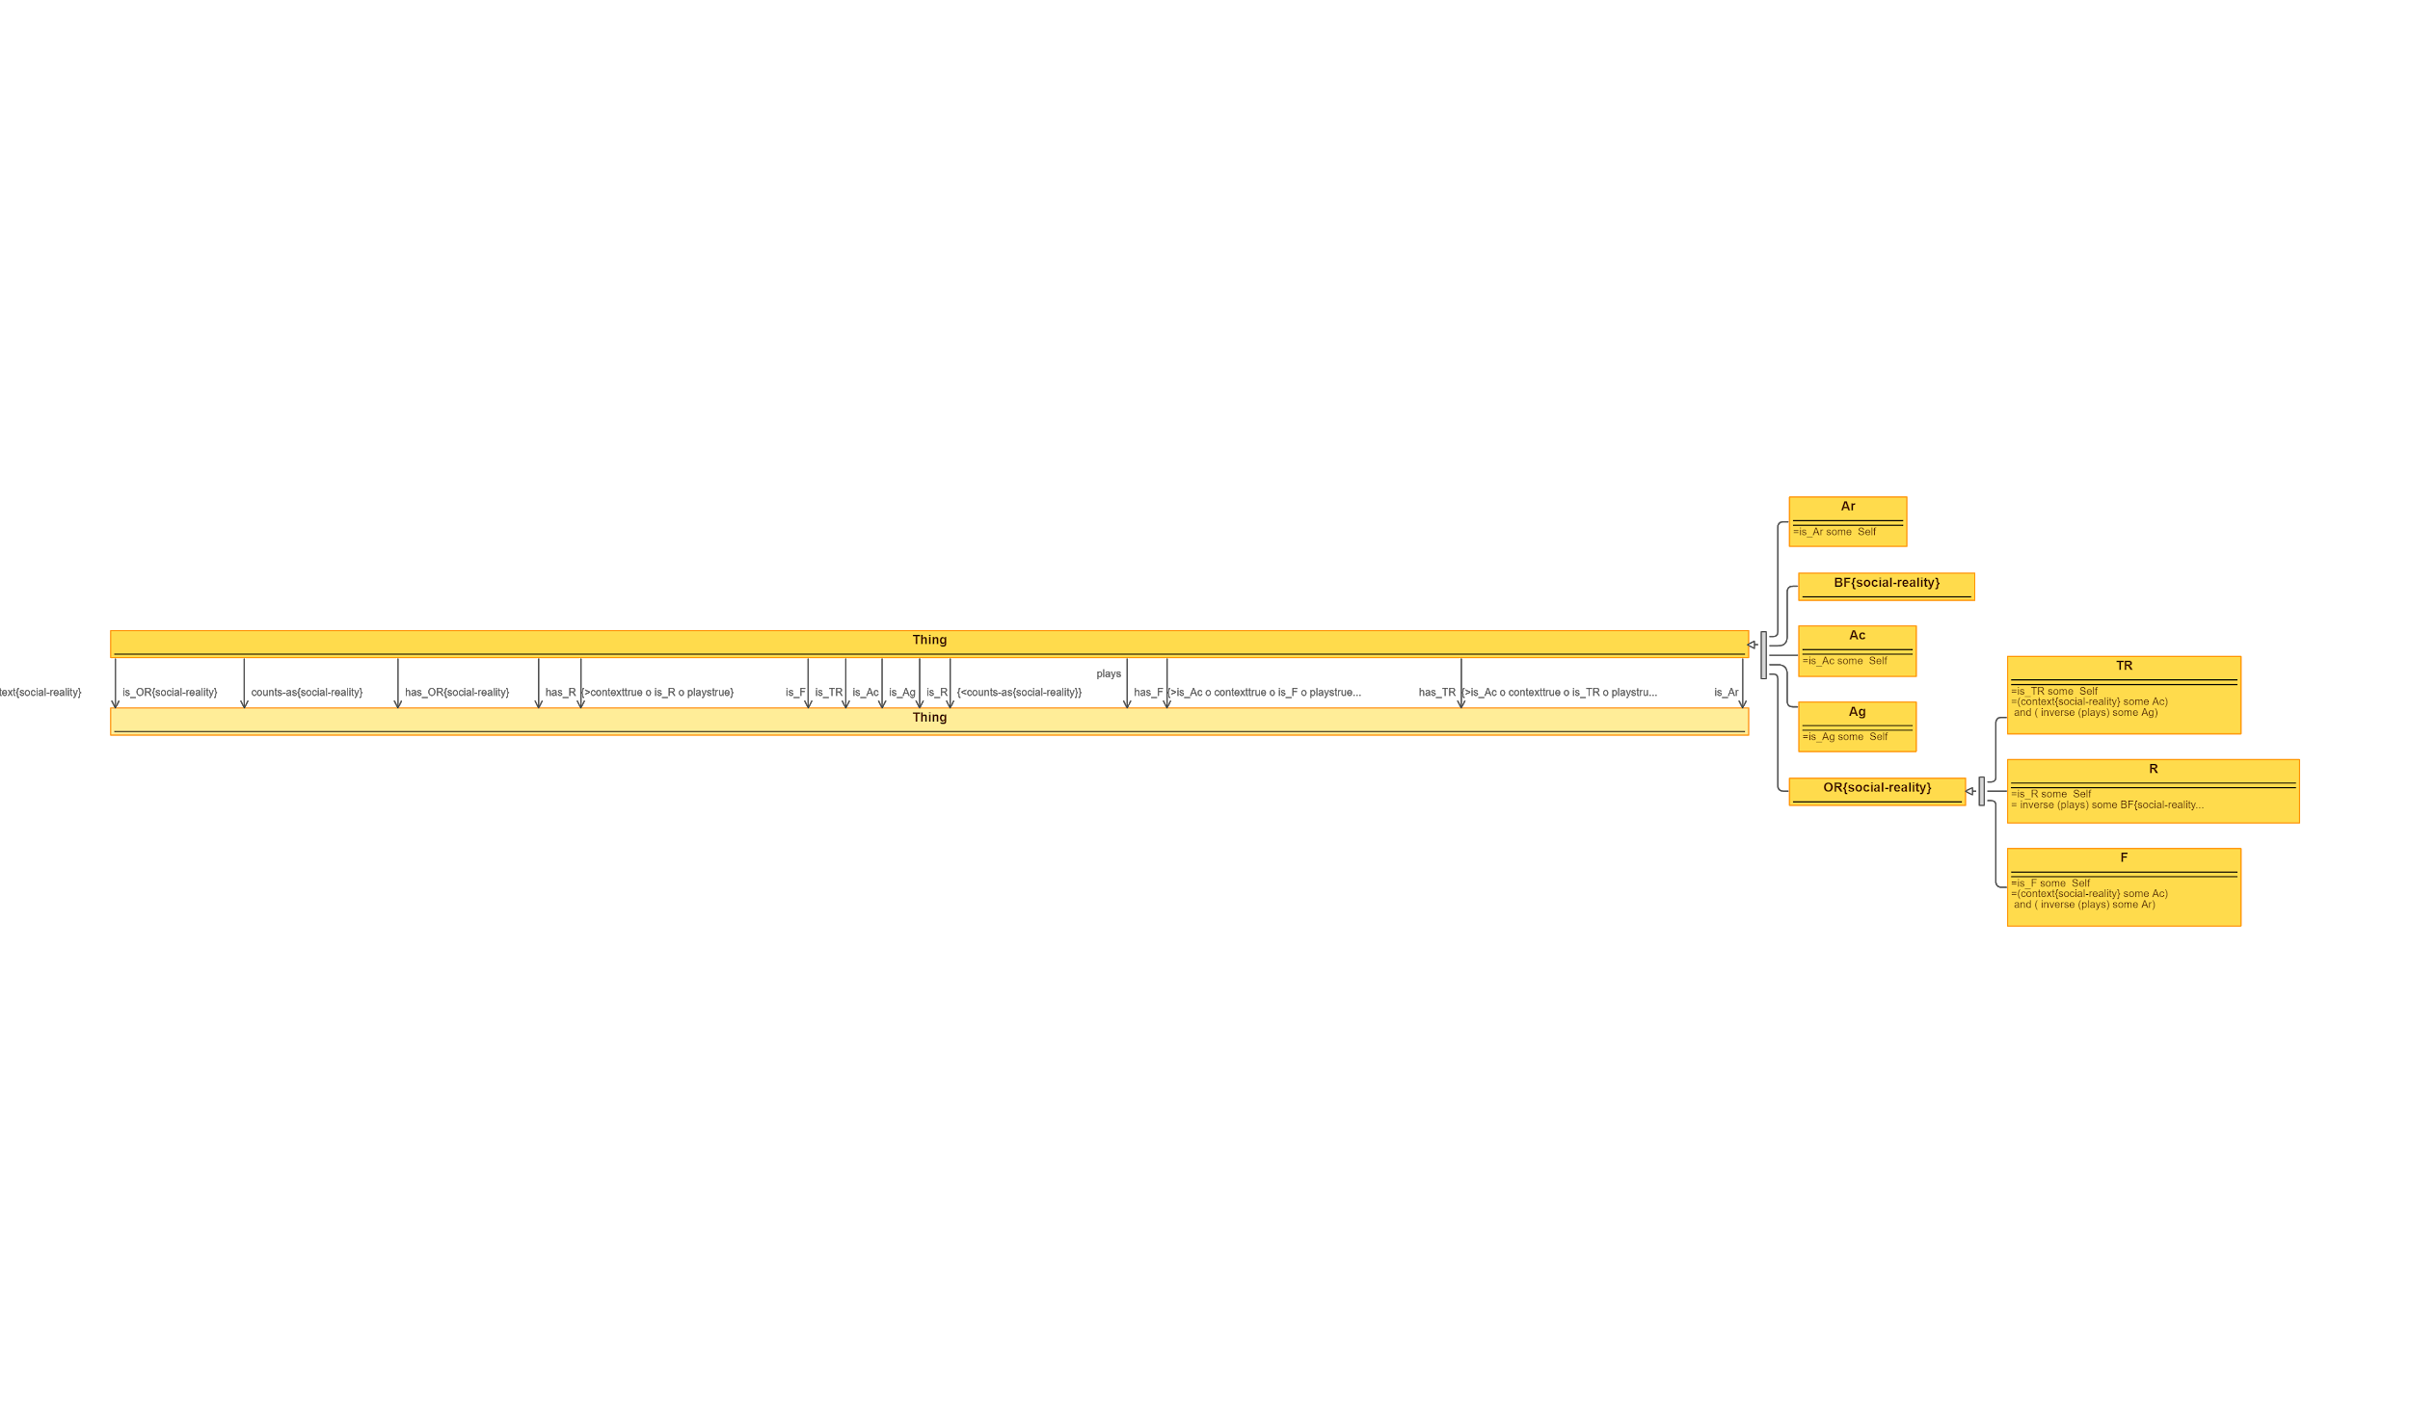
 | Triples |  | IMAGE
Node 1 | Edge | Node 2
Thing | context | Thing
Thing | is_OR | Thing
Thing | counts-as | Thing
Thing | has_OR | Thing
Thing | has_R | Thing
Thing | is_F | Thing
Thing | is_TR | Thing
Thing | is_Ac | Thing
Thing | is_Ag | Thing
Thing | is_R | Thing
Thing | plays | Thing
Thing | has_F | Thing
Thing | has_TR | Thing
Thing | is_Ar | Thing
Ar | subClassOf | Thing
BF | subClassOf | Thing
Ac | subClassOf | Thing
Ag | subClassOf | Thing
OR | subClassOf | Thing
TR | subClassOf | TR
R | subClassOf | OR
F | subClassOf | OR

76 RoleTask
Source: | http://ontologydesignpatterns.org/wiki/Submissions:Role_task

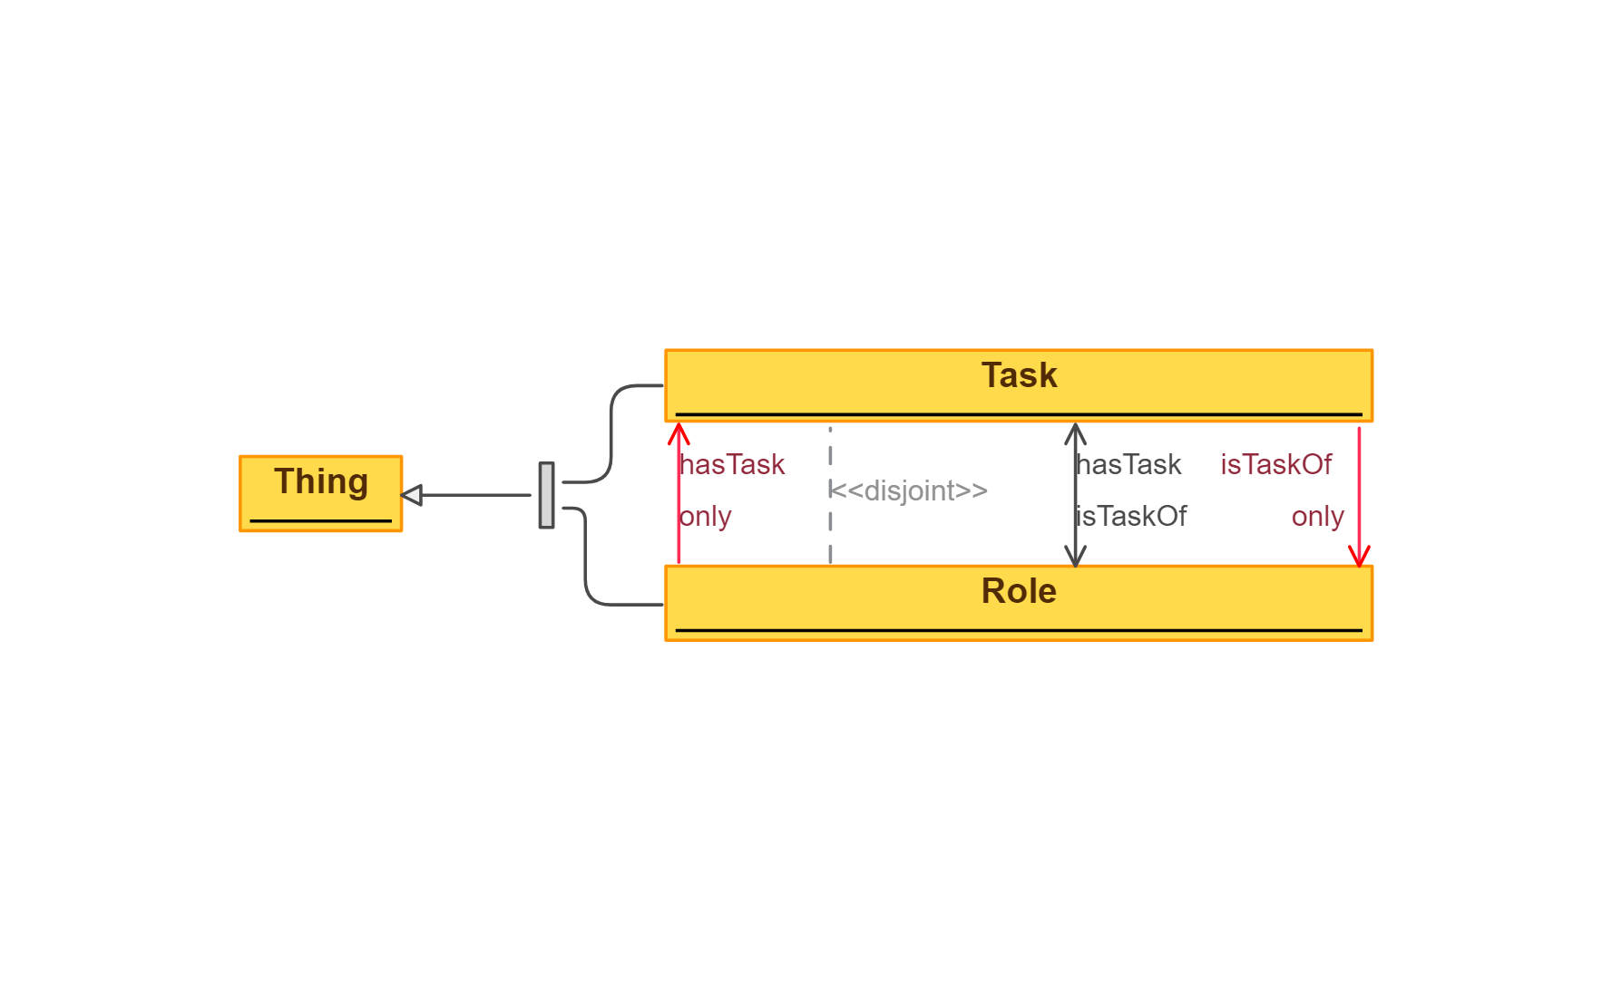
 | Triples |  | IMAGE
Node 1 | Edge | Node 2
Task | subClassOf | Thing
Role | subClassOf | Thing
Task | disjointClass | Role
Task | isTaskOf | Role
Task | subClassOf | isTaskOf only Role
Role | subClassOf | hasTask only Task
Role | hasTask | Task

77 Sequence - Removed Imports
Source: | http://ontologydesignpatterns.org/wiki/Submissions:Sequence
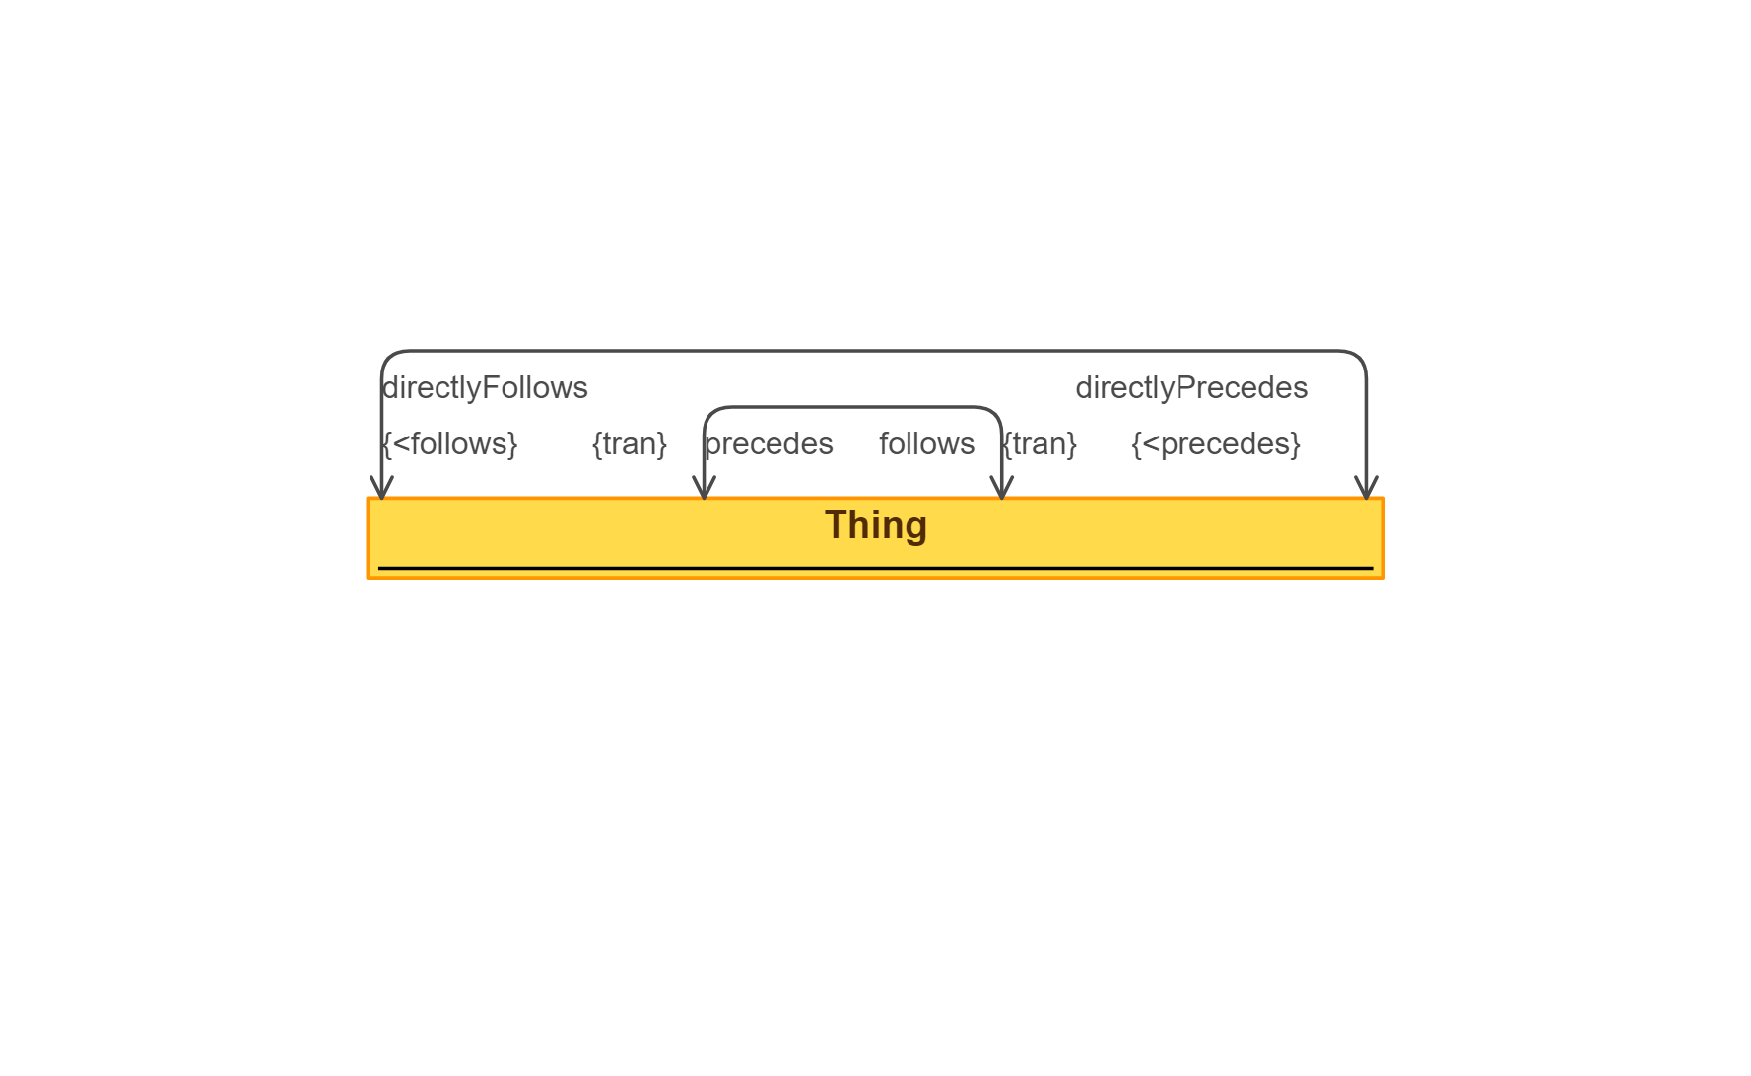
 | Triples |  | IMAGE
Node 1 | Edge | Node 2
Thing | precedes | Thing
Thing | follows | Thing
Thing | directlyPrecedes | Thing
Thing | directlyFollows | Thing

78 Set
Source: | http://ontologydesignpatterns.org/wiki/Submissions:Set

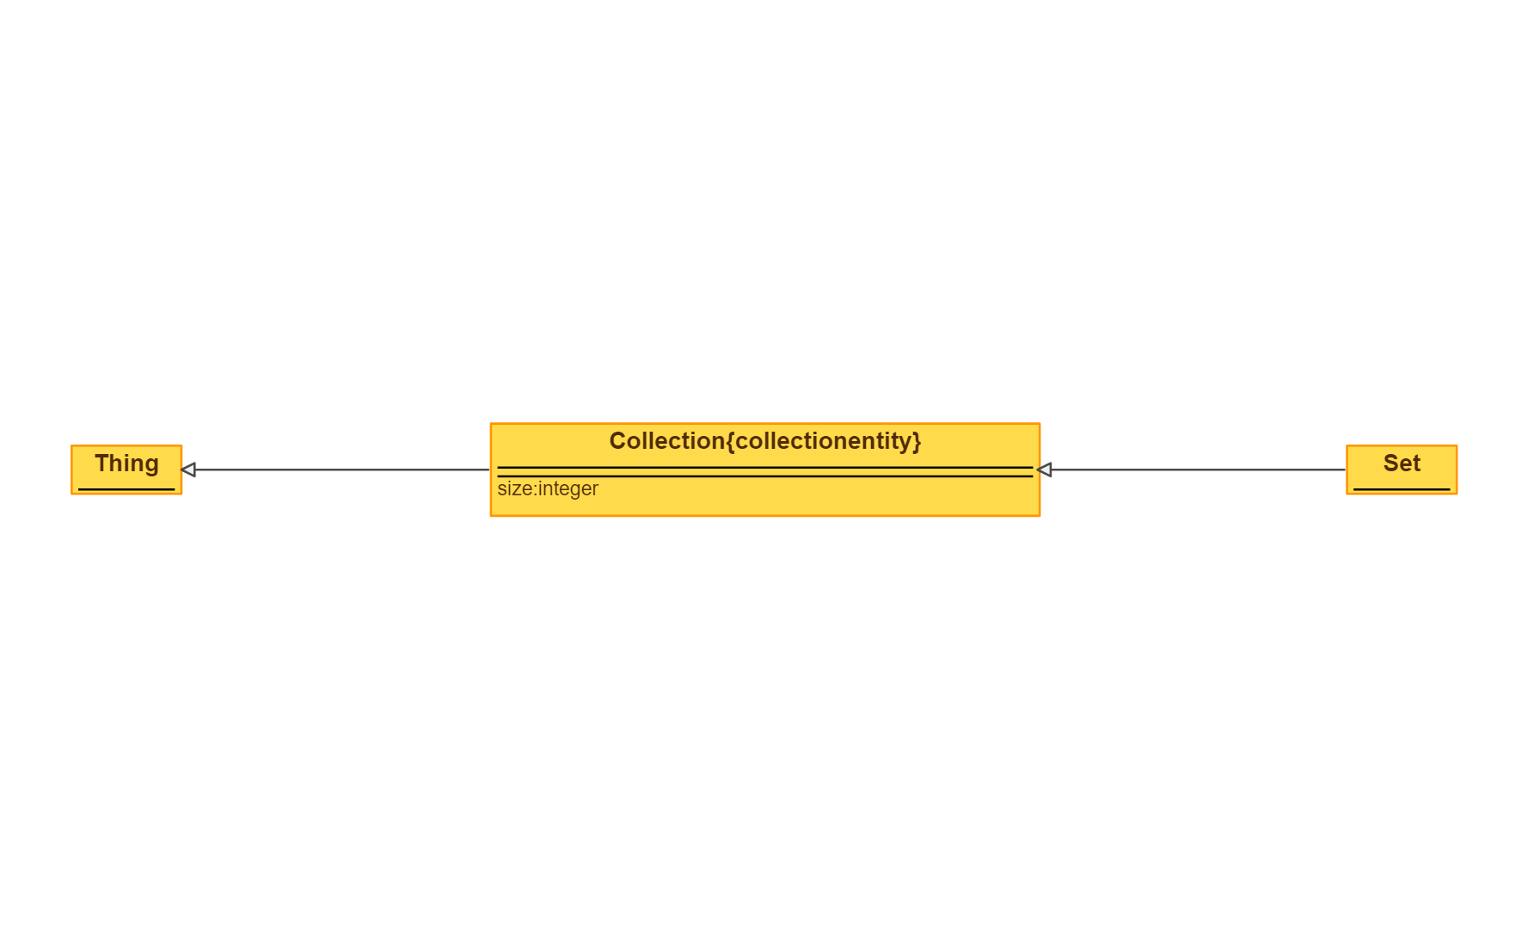
 | Triples |  | IMAGE
Node 1 | Edge | Node 2
Collection | subClassOf | Thing
Set | subClassOf | Collection

79 SimpleOrAggregated
Source: | http://ontologydesignpatterns.org/wiki/Submissions:SimpleOrAggregated

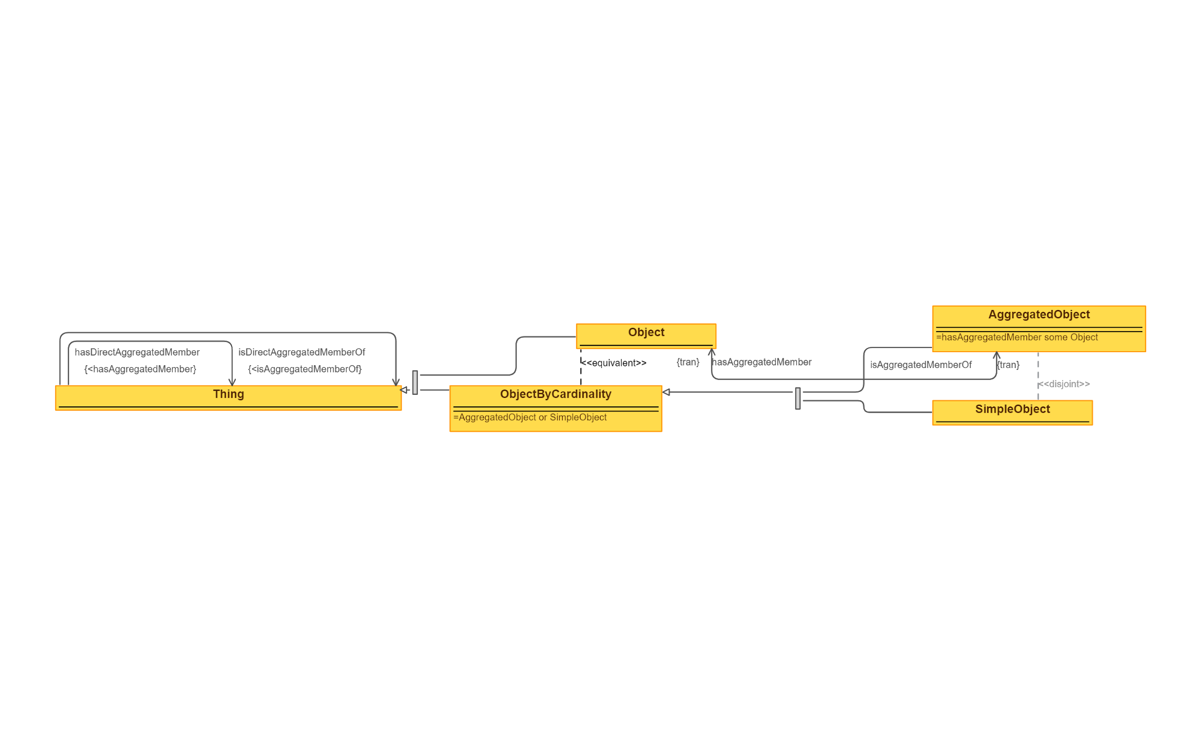
 | Triples |  | IMAGE
Node 1 | Edge | Node 2
Thing | isDirectAggregatedMemberOf | Thing
Thing | hasDirectAggregatedMember | Thing
ObjectByCardinality | subClassOf | Thing
Object | subClassOf | Thing
Object | equivalentClass | ObjectByCardinality
SimpleObject | subClassOf | ObjectByCardinality
AggregatedObject | subClassOf | ObjectByCardinality
SimpleObject | disjointClass | AggregatedObject
Object | isAggregatedMemberOf | AggregatedObject
AggregatedObject | hasAggregatedMember | Object

80 Situation - Removed Imports
Source: | http://ontologydesignpatterns.org/wiki/Submissions:Situation

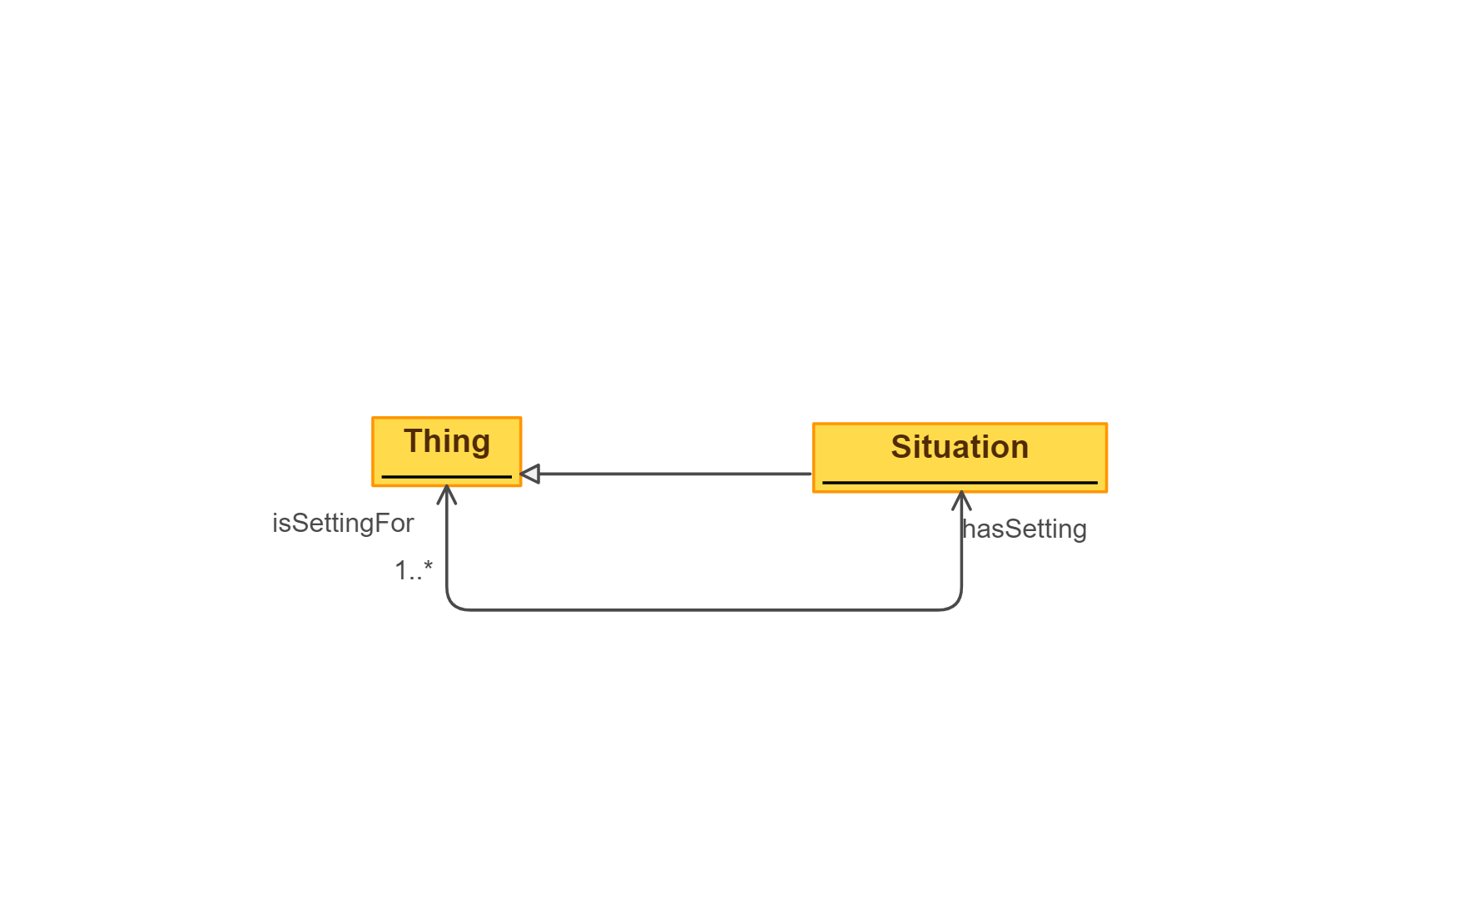
 | Triples |  | IMAGE
Node 1 | Edge | Node 2
Situation | subClassOf | Thing
Situation | isSettingFor | Thing
Thing | hasSetting | Situation

81 SmartHomeEvent
Source: | http://ontologydesignpatterns.org/wiki/Submissions:SmartHome_Event
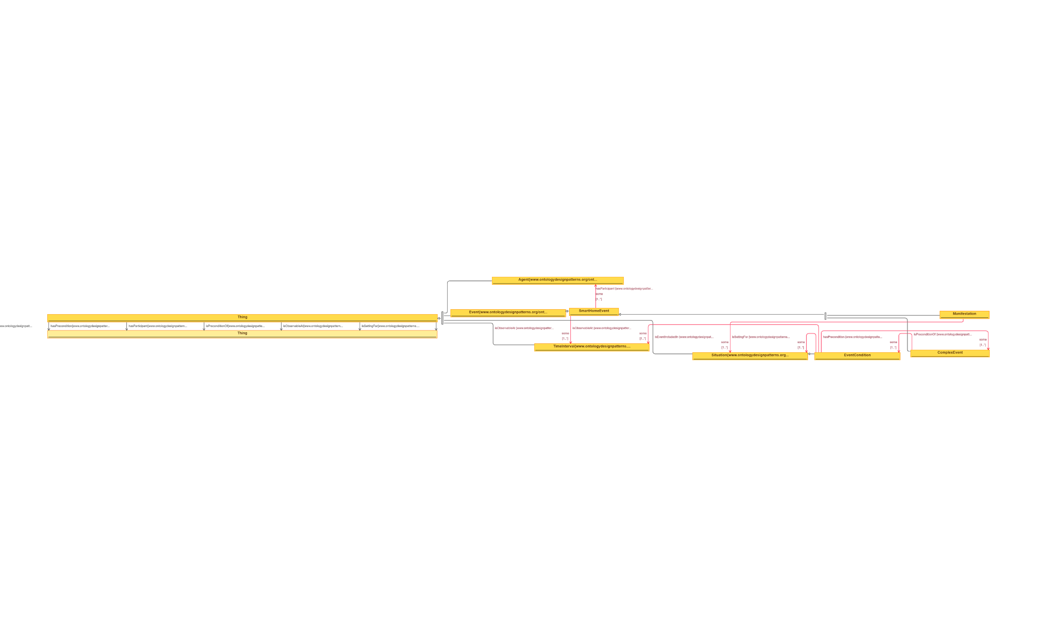
 | Triples |  | IMAGE
Node 1 | Edge | Node 2
Thing | isEventIncludedIn | Thing
Thing | hasPrecondition | Thing
Thing | hasParticipant | Thing
Thing | isPreconditionOf | Thing
Thing | isObservableAt | Thing
Thing | isSettingFor | Thing
Agent | subClassOf | Thing
Event | subClassOf | Thing
TimeInterval | subClassOf | Thing
Situation | subClassOf | Thing
SmartHomeEvent | subClassOf | Event
SmartHomeEvent | subClassOf | hasParticipant some Agent
SmartHomeEvent | subClassOf | isObservableAt some TimeInterval
Manifestation | subClassOf | SmartHomeEvent
Manifestation | subClassOf | isEventIncludedIn some Situation
EventCondition | subClassOf | Situation
EventCondition | subClassOf | isObservableAt some TimeInterval
EventCondition | subClassOf | isSettingFor some Situation
EventCondition | subClassOf | isPreconditionOf some ComplexEvent
ComplexEvent | subClassOf | SmartHomeEvent
ComplexEvent | subClassOf | hasPrecondition some EventCondition

82 SmartHomeFeatureOfInterest
Source: | http://ontologydesignpatterns.org/wiki/Submissions:SmartHome_FeatureOfInterest

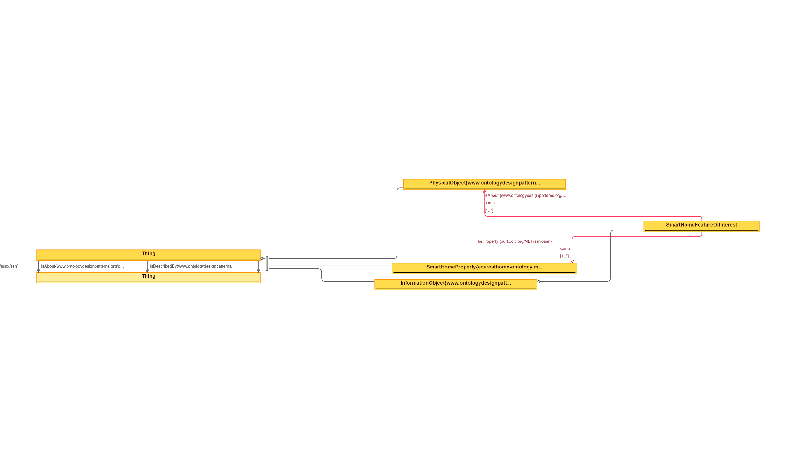
 | Triples |  | IMAGE
Node 1 | Edge | Node 2
Thing | forProperty | Thing
Thing | isAbout | Thing
Thing | isDescribedBy | Thing
PhysicalObject | subClassOf | Thing
SmartHomeProperty | subClassOf | Thing
InformationObject | subClassOf | Thing
SmartHomeFeatureOfInterest | subClassOf | InformationObject
SmartHomeFeatureOfInterest | subClassOf | isAbout some PhysicalObject
SmartHomeFeatureOfInterest | subClassOf | forProperty some SmartHomeProperty

83 SmartHomeGeometry
Source: | http://ontologydesignpatterns.org/wiki/Submissions:SmartHome_Geometry

 | Triples |  | IMAGE
Node 1 | Edge | Node 2
Thing | sfIntersects | Thing
Thng | southWestOf | Thing
Thing | eastOf | Thing
Thing | hasGeometry | Thing
Thing | northEastOf | Thing
Thing | sfDisjoint | Thing
Thing | sfEquals | Thing
Thing | northOf | Thing
Thing | sfContains | Thing
Thing | southEastOf | Thing
Thing | southOf | Thing
Thing | sfTouches | Thing
Thing | sfCrosses | Thing
Thing | westOf | Thing
Thing | hasSpatialRelation | Thing
Thing | sfWithin | Thing
Thing | sfOverlaps | Thing
Thing | northWestOf | Thing
Thing | hasDirectionalRelation | Thing
Feature | subClassOf | Thing
Geometry | subClassOf | Thing
SmartHomeGeoFeature | subClassOf | Feature
SmartHomeGeoFeature | subClassOf | hasGeometry some Geometry
SmartHomeGeoFeature | subClassOf | hasDirectionalRelation some SmartHomeGeoFeature
SmartHomeGeoFeature | subClassOf | hasSpatialFeature some SmartHomeGeoFeature

84 SmartHomeNetwork
Source: | http://ontologydesignpatterns.org/wiki/Submissions:SmartHome_Network

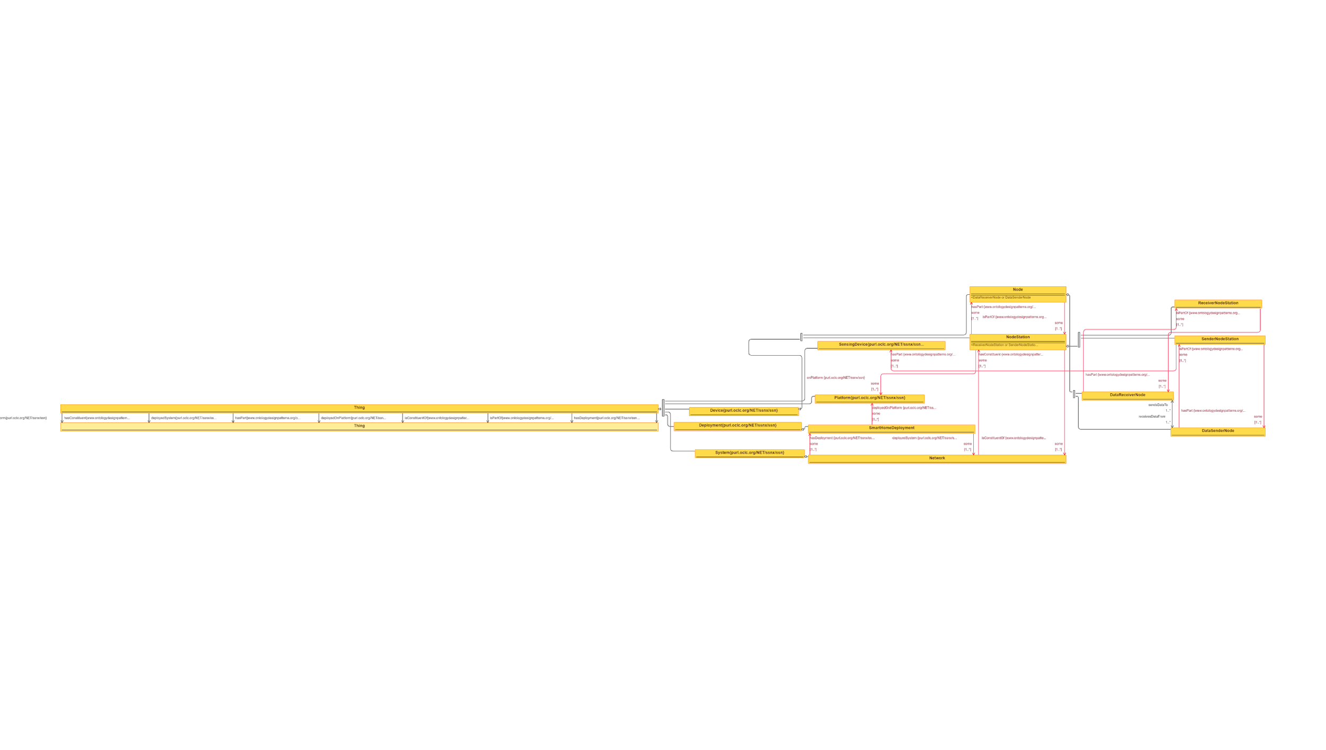
 | Triples |  | IMAGE
Node 1 | Edge | Node 2
Thing | onPlatform | Thing
Thing | hasConstituent | Thing
Thing | deployedSystem | Thing
Thing | hasPart | Thing
Thing | deployedOnPlatform | Thing
Thing | isConstituentOf | Thing
Thing | isPartOf | Thing
Thing | hasDeployment | Thing
System | subClassOf | Thing
Deployment | subClassOf | Thing
Device | subClassOf | Thing
Platform | subClassOf | Thing
SensingDevice | subClassOf | Thing
Network | subClassOf | System
Network | subClassOf | hasDeployment some SmartHomeDeployment
Network | subClassOf | hasConstituent some NodeStation
SmartHomeDeployment | subClassOf | Deployment
SmartHomeDeployment | subClassOf | deployedOnPlatform some Platorm
Node | subClassOf | Device
Node | subClassOf | isPartOf some NodeStation
NodeStation | subClassOf | Device
NodeStation | subClassOf | onPlatform some Platform
NodeStation | subClassOf | isConstituentOf some Network
NodeStation | subClassOf | hasPart some Node
ReceiverNodeStation | subClassOf | NodeStation
ReceiverNodeStation | subClassOf | hasPart some DataReceiverNode
SenderNodeStation | subClassOf | NodeStation
SenderNodeStation | subClassOf | hasPart some SensingDevice
SenderNodeStation | subClassOf | hasPart some DataSenderNode
DataReceiverNode | subClassOf | Node
DataReceiverNode | subClassOf | isPartOf some ReceiverNodeStation
DataReceiverNode | receivesDataFrom | DataSenderNode
DataSenderNode | subClassOf | Node
DataSenderNode | subClassOf | isPartOf some SenderNodeStation
DataSenderNode | sendsDataTo | DataReceiverNode

85 SocialReality
Source: | http://ontologydesignpatterns.org/wiki/Submissions:Social_Reality_%28OWL_2%29

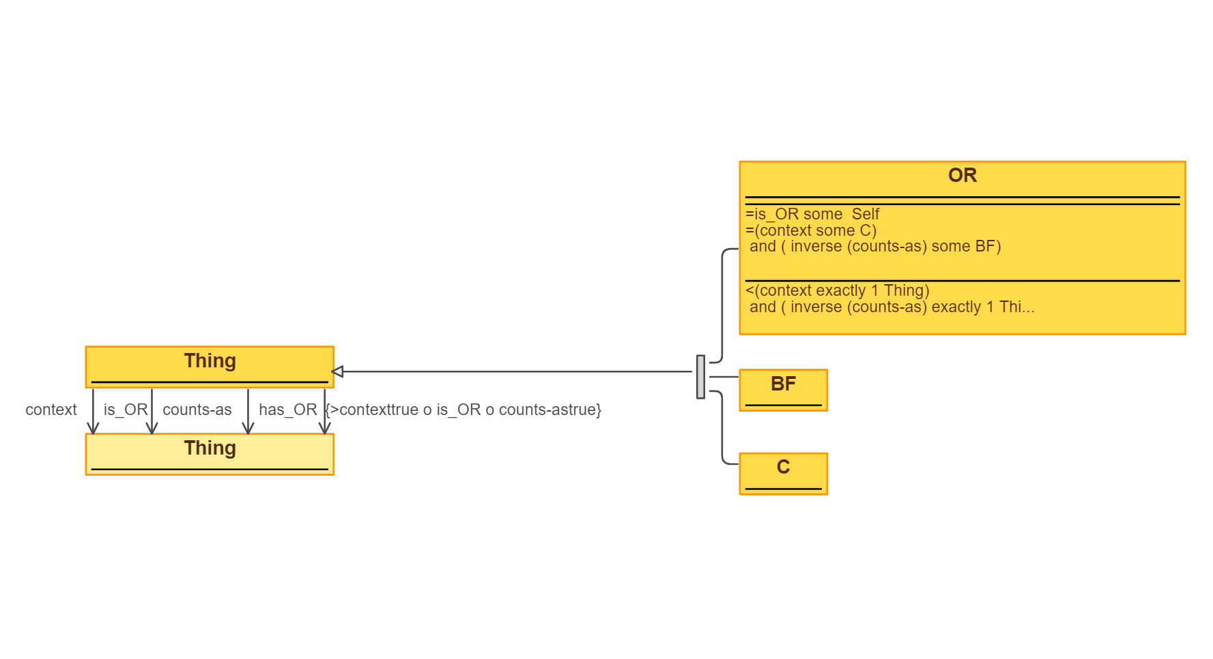
 | Triples |  | IMAGE
Node 1 | Edge | Node 2
Thing | context | Thing
Thing | is_OR | Thing
Thing | counts-as | Thing
Thing | has_OR | Thing
OR | subClassOf | Thing
BF | subClassOf | Thing
C | subClassOf | Thing

86 SpatioTemporalExtent - Remov
Source: | http://ontologydesignpatterns.org/wiki/Submissions:SpatioTemporalExtent

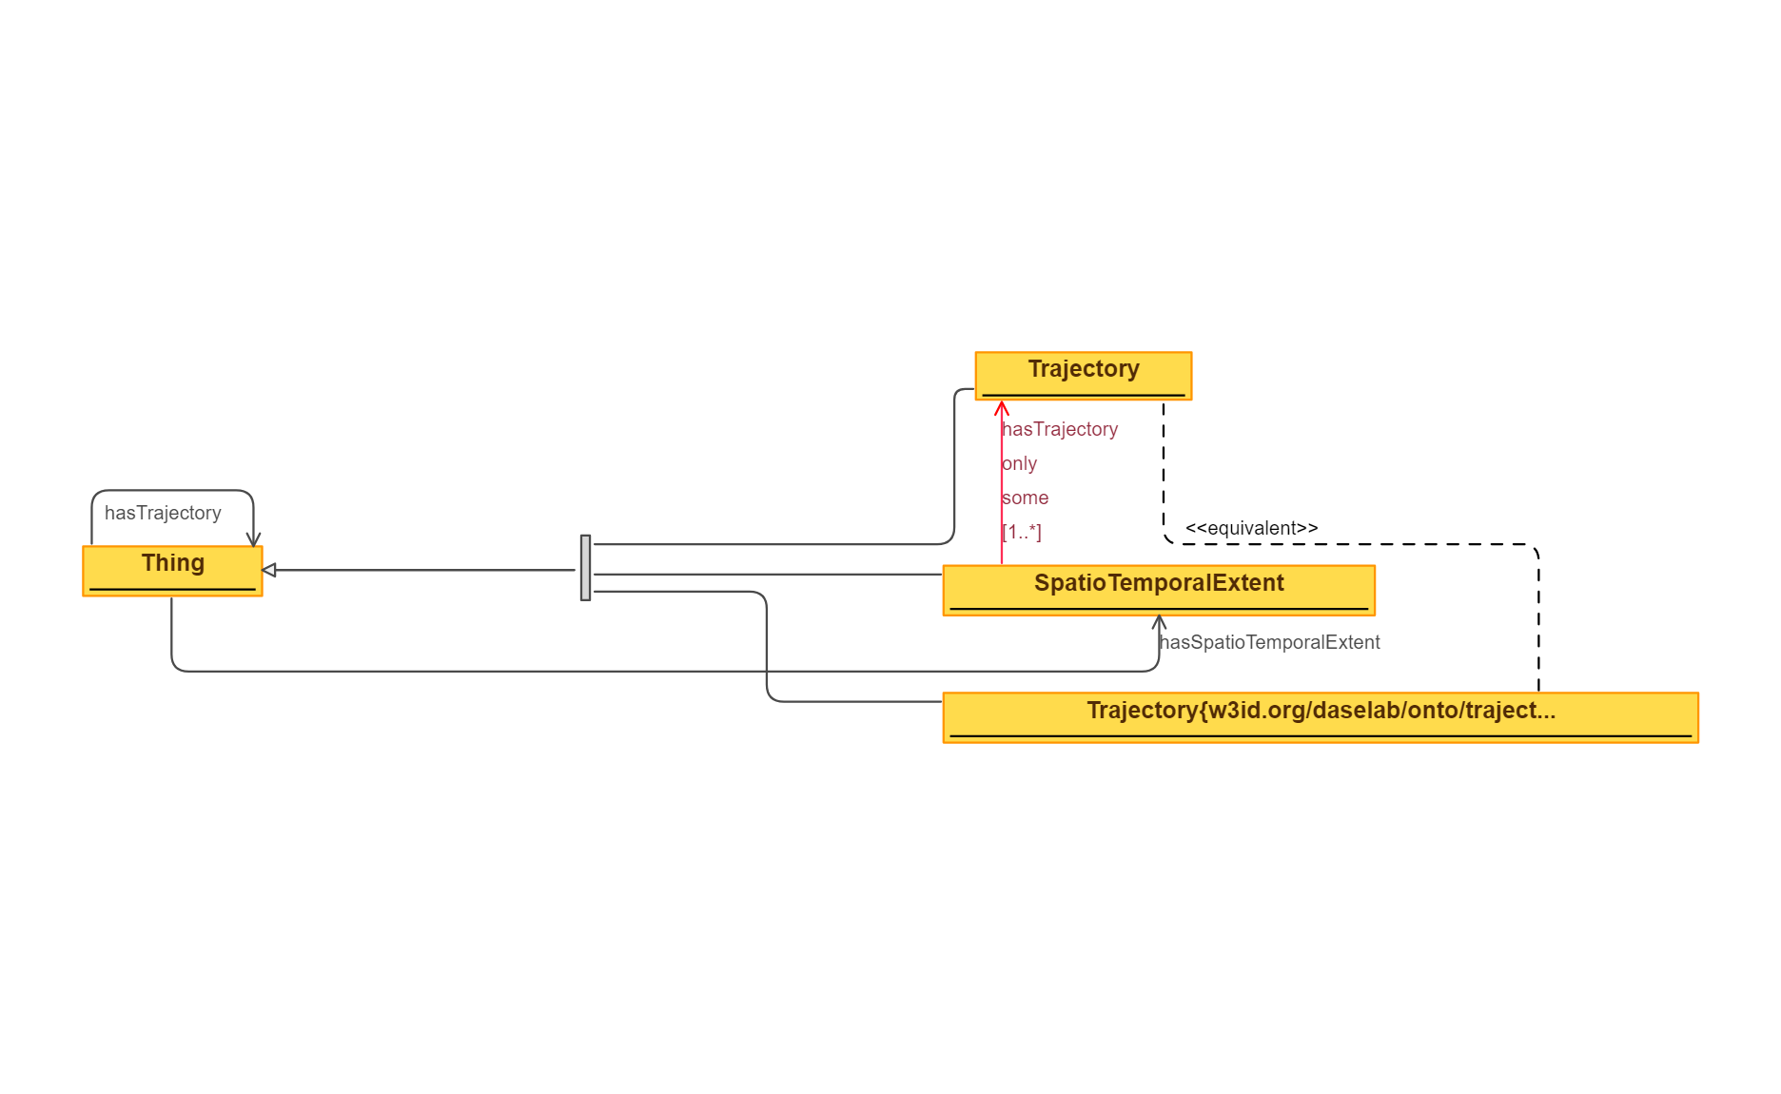
 | Triples |  | IMAGE
Node 1 | Edge | Node 2
Thing | hasTrajectory | Thing
Thing | hasSpatioTemporalExtent | SpatioTemporalExtent
Trajectory | subClassOf | Thing
SpatioTemporalExtent | subClassOf | Thing
Trajectory{w3id.org/daselab/...} | subClassOf | Thing
Trajectory{w3id.org/daselab/...} | equivalentClass | Trajectory
SpatioTemporalExtent | subClassOf | hasTrajectory only some Trajectory

87 SpeciesBathymetry
Source: | http://ontologydesignpatterns.org/wiki/Submissions:SpeciesBathymetry
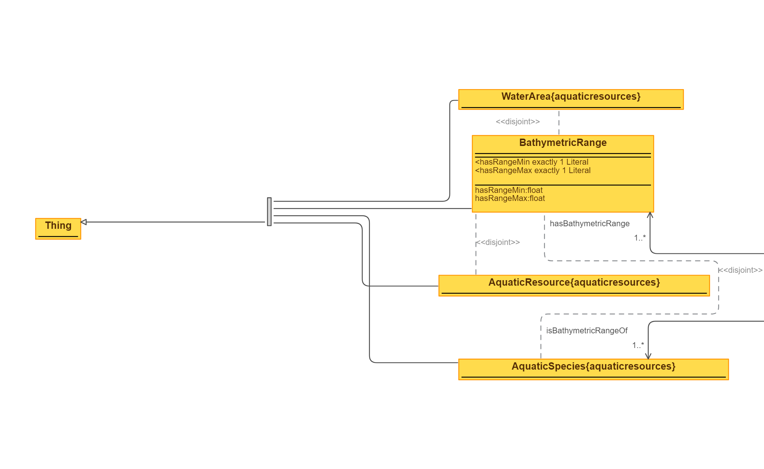
 | Triples |  | IMAGE
Node 1 | Edge | Node 2
WaterArea | subClassOf | Thing
BathymetricRange | subClassOf | Thing
AquaticResource | subClassOf | Thing
AquaticSpecies | subClassOf | Thing
WaterArea | disjointClass | BathymetricRange
BathymetricRange | disjointClass | AquaticResource
BathymetricRange | disjointClass | AquaticSpecies
BathymetricRange | isBathymetricRangeOf | AquaticSpecies
AquaticSpecies | hasBathymetricRange | BathymetricRange

88 SpeciesConditions
Source: | http://ontologydesignpatterns.org/wiki/Submissions:SpeciesConditions
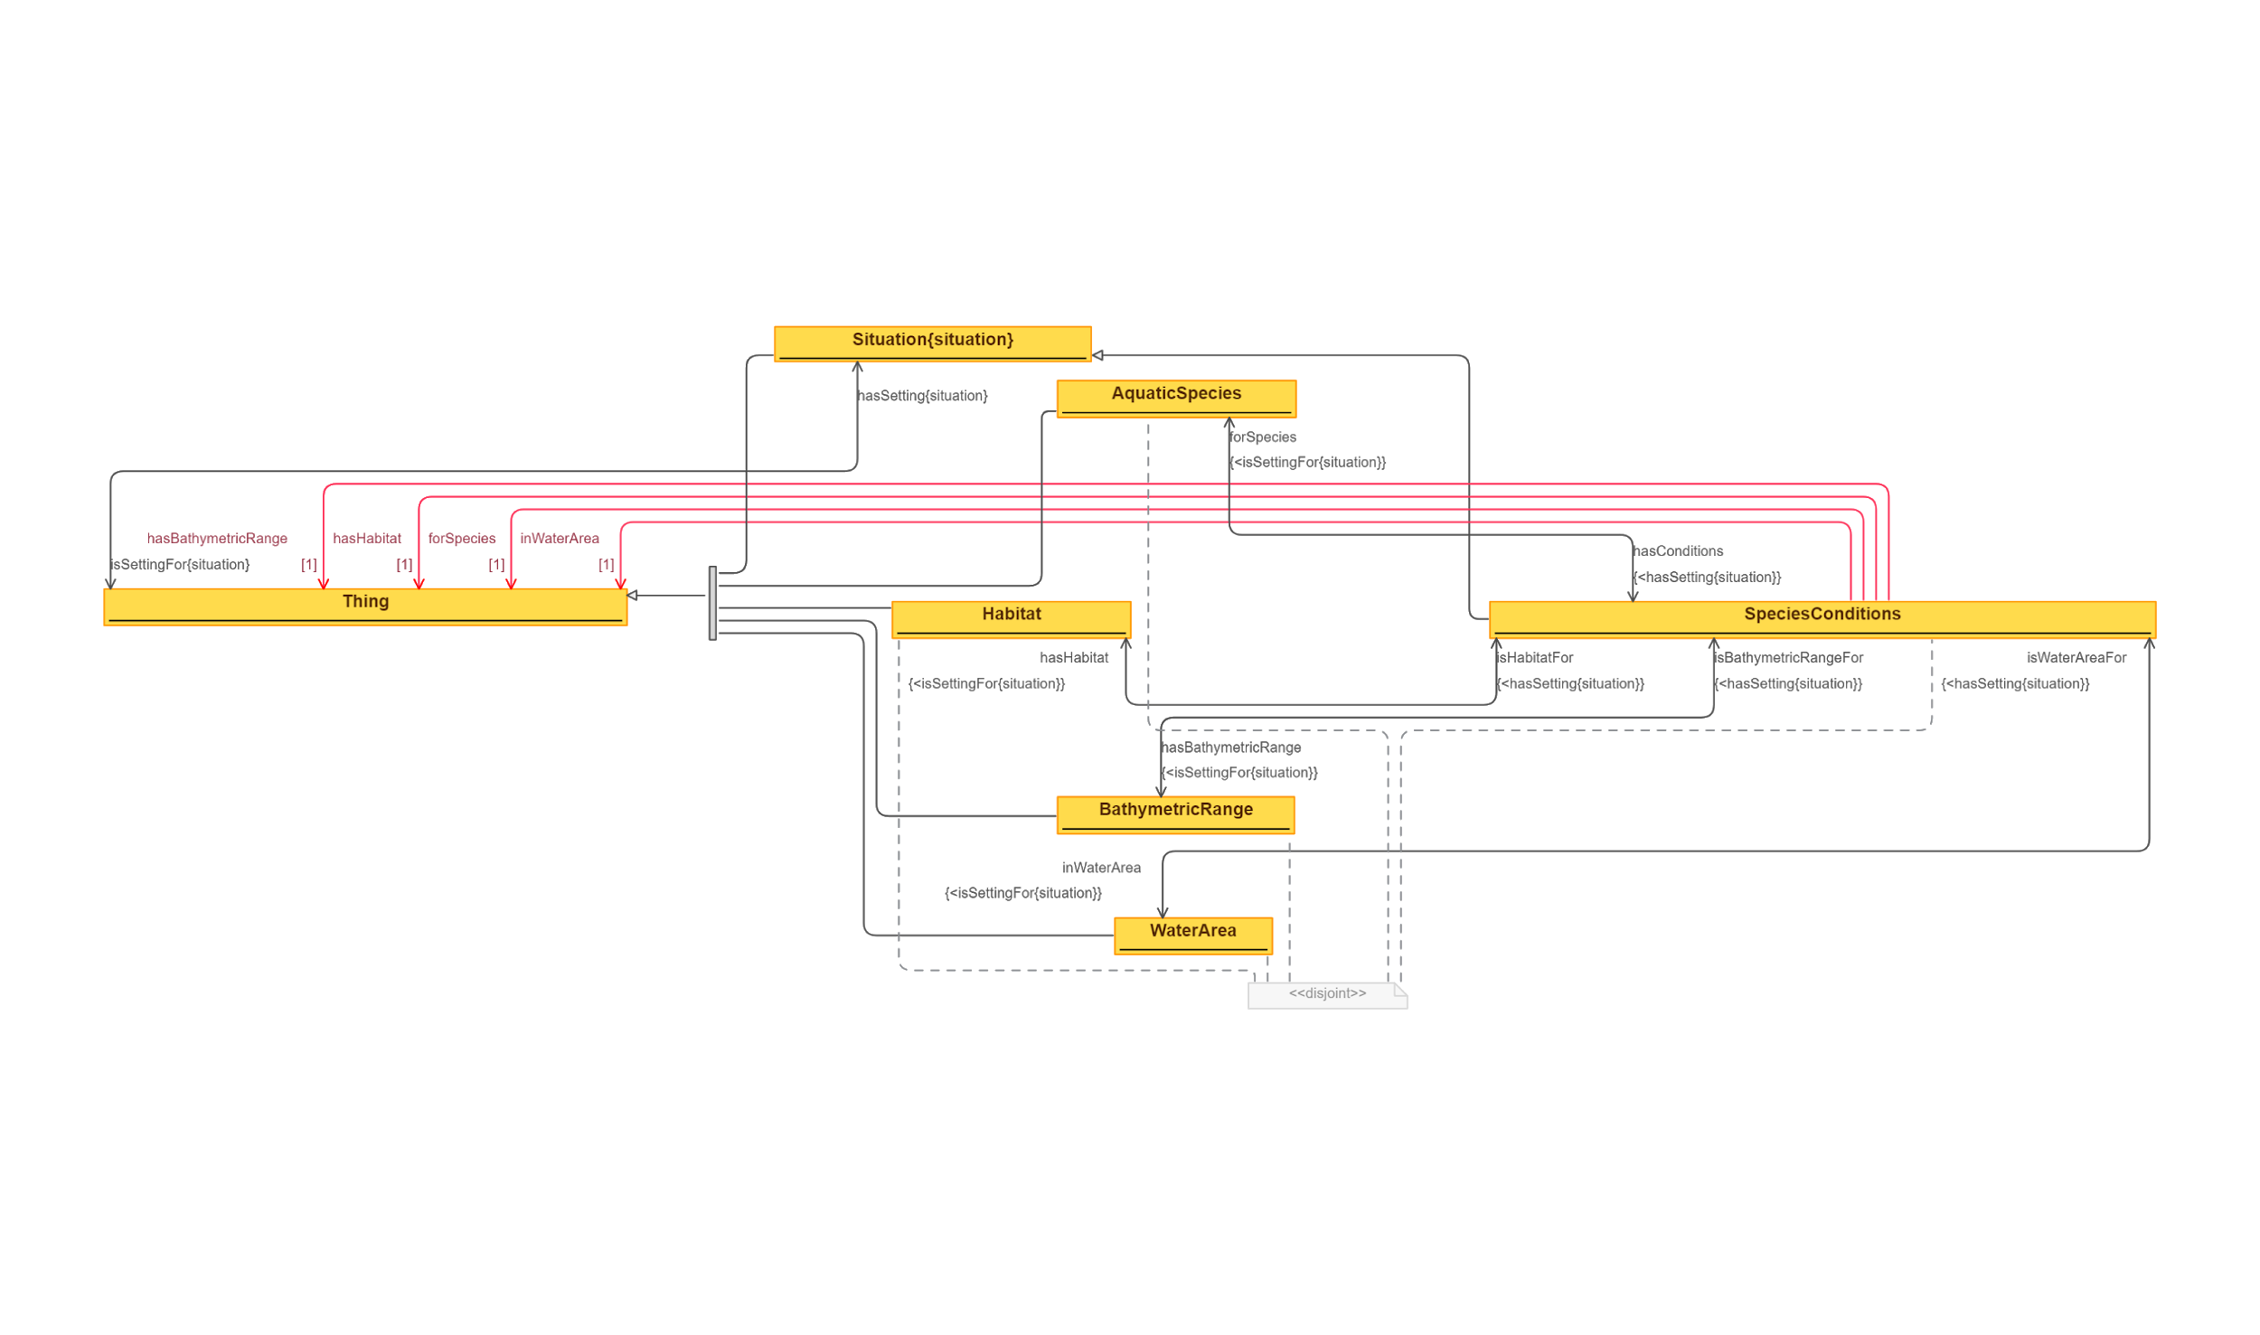
 | Triples |  | IMAGE
Node 1 | Edge | Node 2
Thing | hasSetting | Situation
Situation | isSettingFor | Thing
Situation | subClassOf | Thing
AquaticSpecies | subClassOf | Thing
Habitat | subClassOf | Thing
BathymetricRange | subClassOf | Thing
WaterArea | subClassOf | Thing
SpeciesConditions | subClassOf | AquaticSpecies
SpeciesConditions | forSpecies | AquaticSpecies
AquaticSpecies | hasConditions | SpeciesConditions
SpeciesConditions | hasHabitat | Habitat
Habitat | isHabitatFor | SpeciesConditions
SpeciesConditions | hasBathymetricRange | BathymetricRange
BathymetricRange | isBathymetricRangeFor | SpeciesConditions
SpeciesConditions | inWaterArea | WaterArea
WaterArea | isWaterAreaFor | SpeciesConditions
SpeciesConditions | subClassOf | hasBathymetricRange 1 Thing
SpeciesConditions | subClassOf | hasHabitat 1 Thing
SpeciesConditions | subClassOf | forSpecies 1 Thing
SpeciesConditions | subClassOf | inWaterArea 1 Thing
disjointClasses( Habitat, WaterArea, BathymetricRange, AquaticSpecies, SpeciesConditions )

89 SpeciesConservation - Remove
Source: | http://ontologydesignpatterns.org/wiki/Submissions:SpeciesConservation

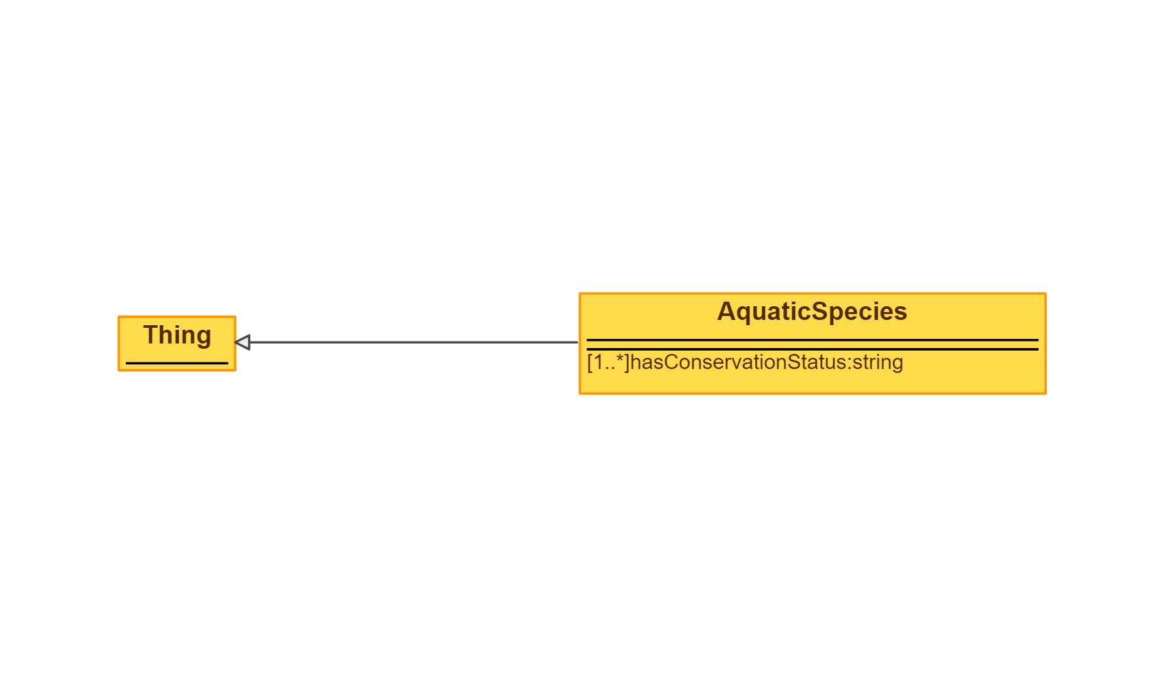
 | Triples |  | IMAGE
Node 1 | Edge | Node 2
AquaticSpecies | subClassOf | Thing

90 SpeciesEat
Source: | http://ontologydesignpatterns.org/wiki/Submissions:SpeciesEat
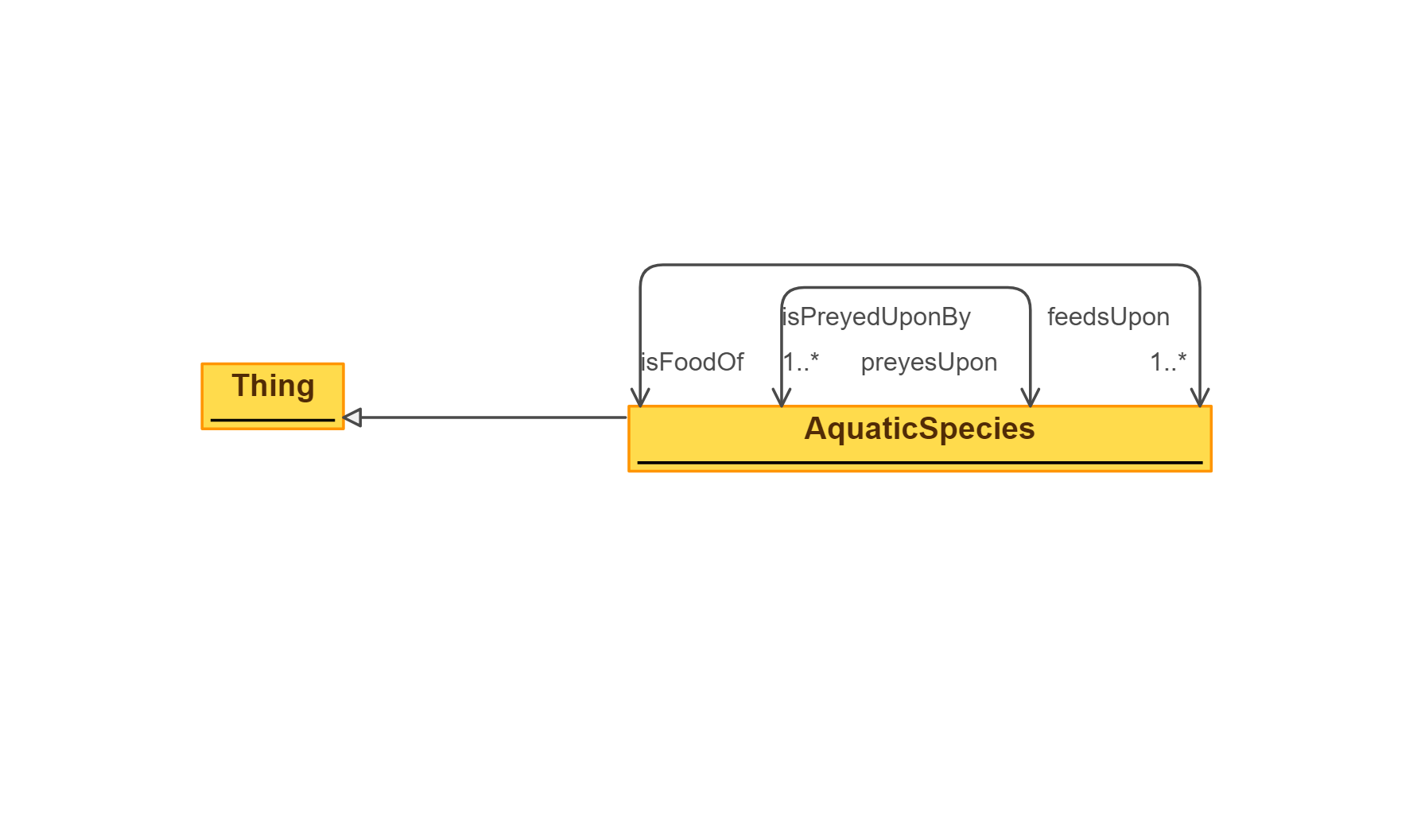
 | Triples |  | IMAGE
Node 1 | Edge | Node 2
AquaticSpecies | subClassOf | Thing
AquaticSpecies | isFoodOf | AquaticSpecies
AquaticSpecies | feedsUpon | AquaticSpecies
AquaticSpecies | preyesUpon | AquaticSpecies
AquaticSpecies | isPreyedUponBy | AquaticSpecies

91 SpeciesHabitat
Source: | http://ontologydesignpatterns.org/wiki/Submissions:SpeciesHabitat
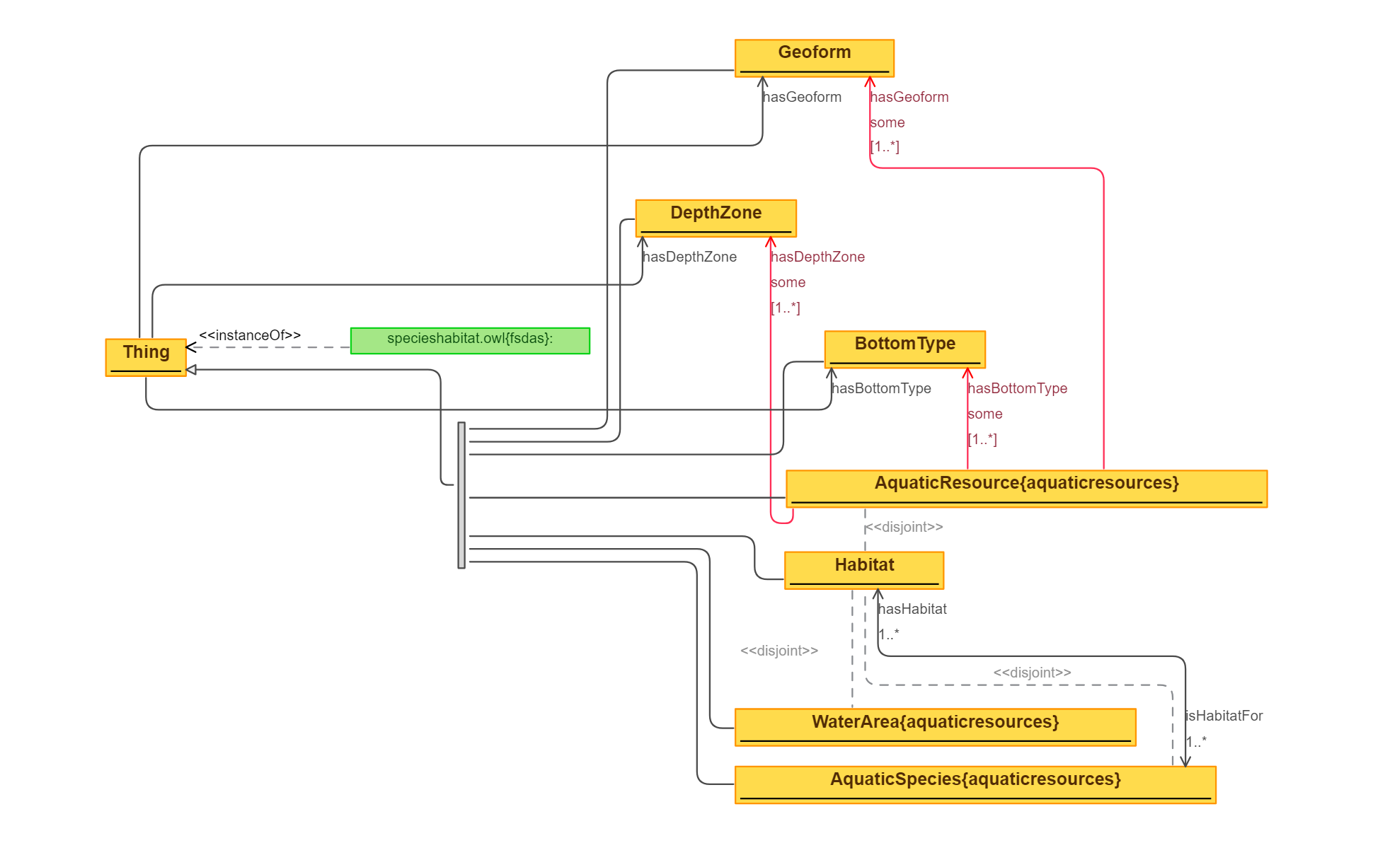
 | Triples |  | IMAGE
Node 1 | Edge | Node 2
Thing | hasGeoform | Geoform
Thing | hasDepthZone | DepthZone
Thing | hasBottomType | BottomType
Thing | hasNumInstances | 1
Geoform | subClassOf | Thing
DepthZone | subClassOf | Thing
BottomType | subClassOf | Thing
AquaticResource | subClassOf | Thing
Habitat | subClassOf | Thing
WaterArea | subClassOf | Thing
AquaticSpecies | subClassOf | Thing
AquaticSpecies | hasHabitat | Habitat
Habitat | isHabitatFor | AquaticSpecies
AquaticSpecies | disjointClass | Habitat
WaterArea | disjointClass | Habitat
Habitat | disjointClass | AquaticResource
AquaticResource | subClassOf | hasDepthZone some DepthZone
AquaticResource | subClassOf | hasBottomType some BottomType
AquaticResource | subClassOf | hasGeoform some Geoform

92 SpeciesNames - Removed Impor
Source: | http://ontologydesignpatterns.org/wiki/Submissions:SpeciesNames
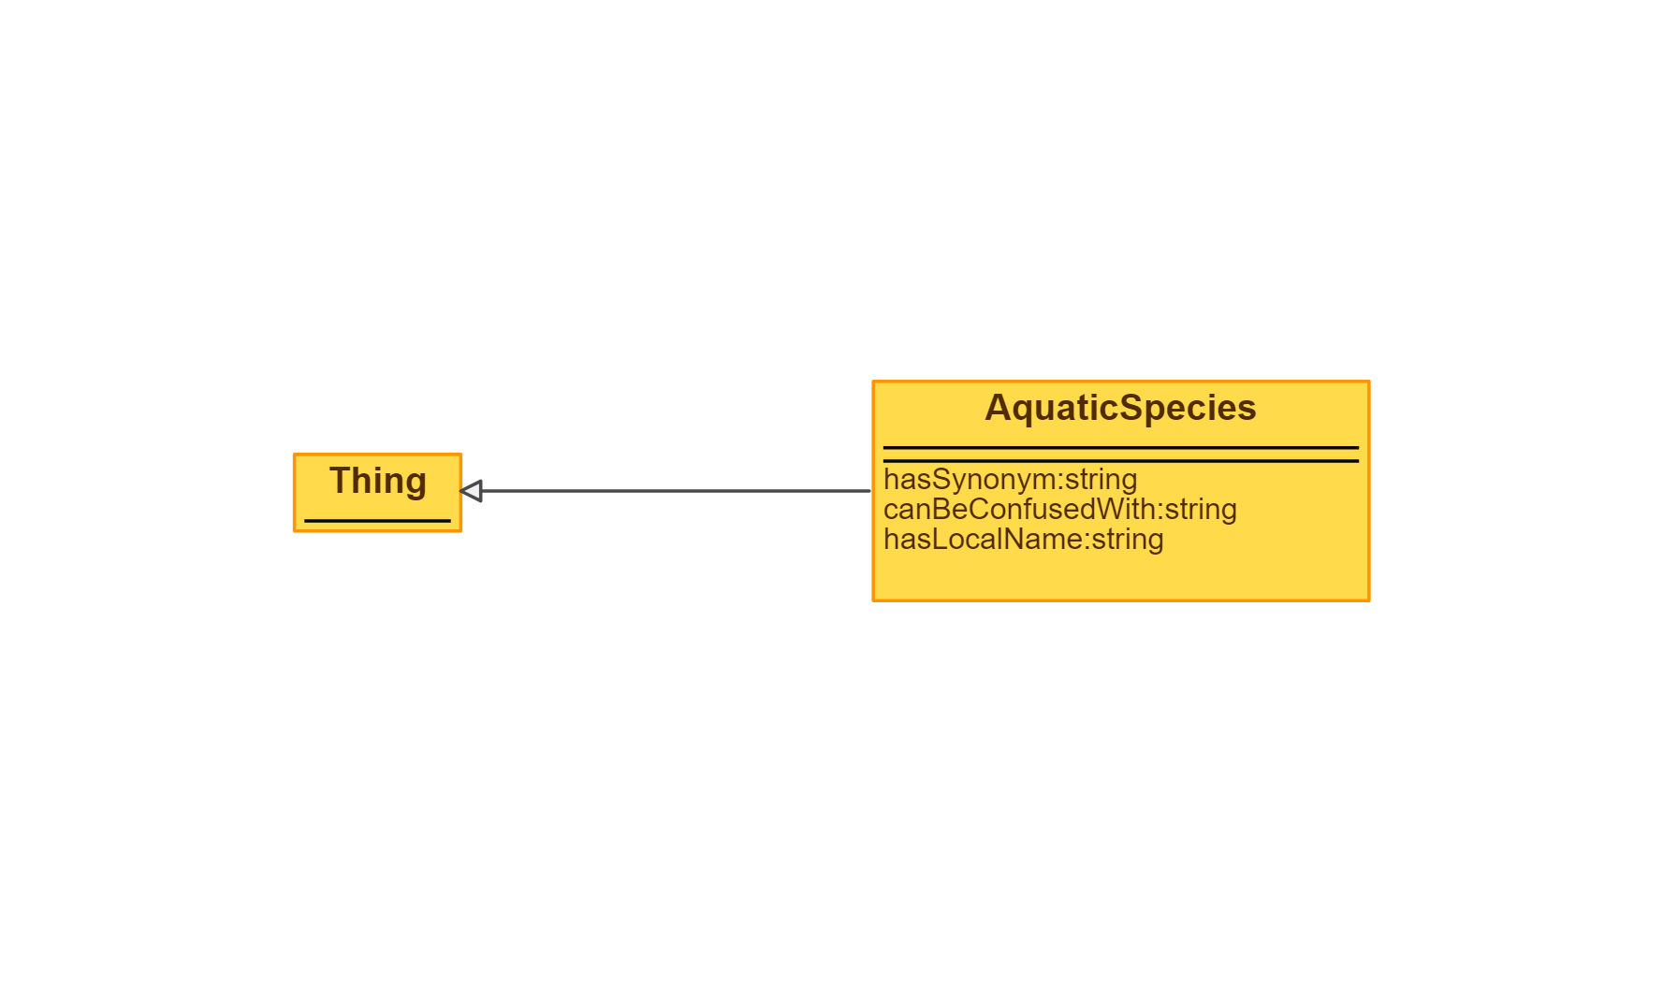
 | Triples |  | IMAGE
Node 1 | Edge | Node 2
AquaticSpecies | subClassOf | Thing

93 Tagging
Source: | http://ontologydesignpatterns.org/wiki/Submissions:Tagging
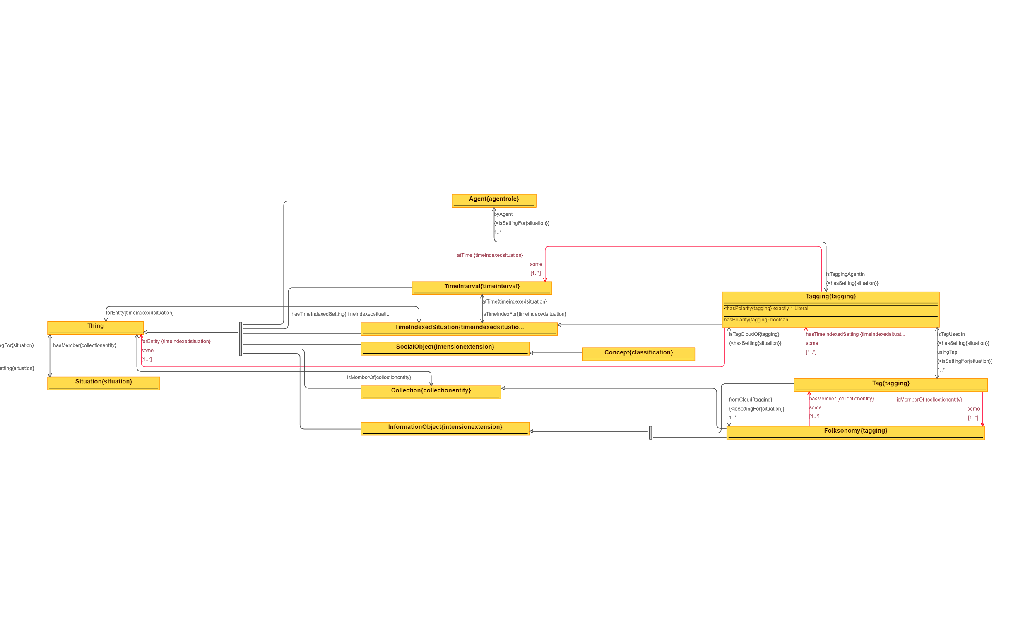
 | Triples |  | IMAGE
Node 1 | Edge | Node 2
Thing | hasSetting | Situation
Situation | isSettingFor | Thing
Thing | hasTimeIndexedSetting | TimeIndexedSituation
TimeIndexedSituation | forEntity | Thing
Thing | isMemberOf | Collection
Collection | hasMember | Thing
Agent | subClassOf | Thing
TimeInterval | subClassOf | Thing
TimeIndexedSituation | subClassOf | Thing
SocialObject | subClassOf | Thing
Collection | subClassOf | Thing
InformationObject | subClassOf | Thing
Concept | subClassOf | SocialObject
TimeIndexedSituation | atTime | TimeInterval
TimeInterval | isTimeIndexFor | TimeIndexedSituation
Folksonomy | subClassOf | InformationObject
Folksonomy | subClassOf | hasMember some Tag
Folksonomy | isTagCloudOf | Tagging
Tagging | fromCloud | Folksonomy
Folksonomy | subClassOf | Collection
Tag | subClassOf | InformationObject
Tag | isTagUsedIn | Tagging
Tagging | usingTag | Tag
Tag | subClassOf | isMemberOf some Folksonomy
Tag | subClassOf | hasTimeIndexedSetting some Tagging
Tagging | subClassOf | TimeIndexedSituation
Tagging | byAgent | Agent
Agent | isTaggingAgentIn | Tagging
Tagging | subClassOf | atTime some TimeInterval
Tagging | subClassOf | forEntity some Thing

94 TaskExecution
Source: | http://ontologydesignpatterns.org/wiki/Submissions:TaskExecution
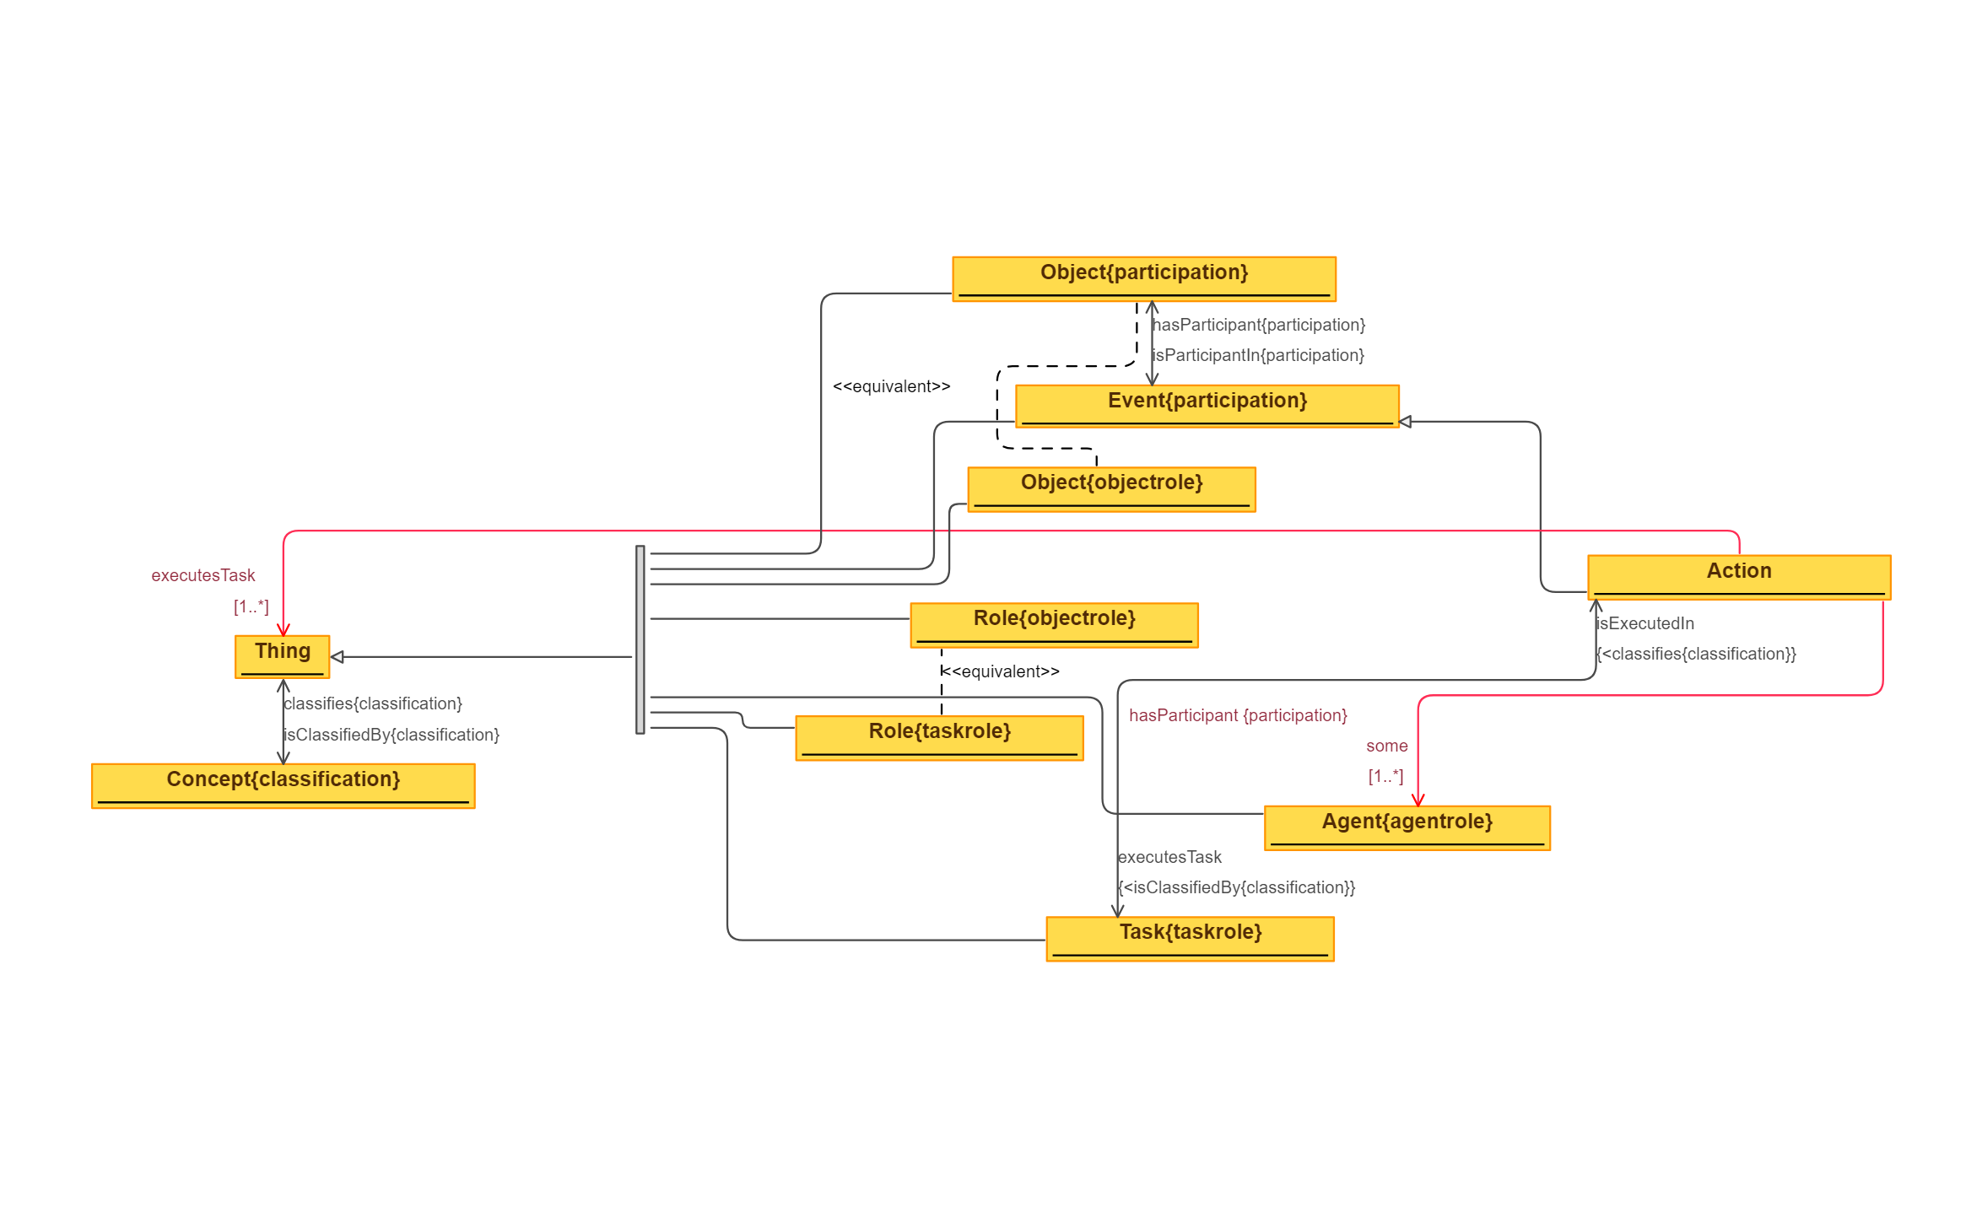
 | Triples |  | IMAGE
Node 1 | Edge | Node 2
Thing | isClassifiedBy | Concept
Object{participation} | subClassOf | Thing
Event | subClassOf | Thing
Object{objectrole} | subClassOf | Thing
Role{objectrole} | subClassOf | Thing
Agent | subClassOf | Thing
Role{taskrole} | subClassOf | Thing
Task | subClassOf | Thing
Object{participation} | equivalentClass | Object{objectrole}
Role{objectrole} | equivalentClass | Role{taskrole}
Event | hasParticipant | Object{participation}
Object{participation} | isParticipantIn | Event
Action | subClassOf | Event
Action | executesTask | Task
Task | isExecutedIn | Action
Action | subClassOf | executesTask some Thing
Action | subClassOf | hasParticipant some Agent

95 TemplateInstance
Source: | http://ontologydesignpatterns.org/wiki/Submissions:Template_Instance
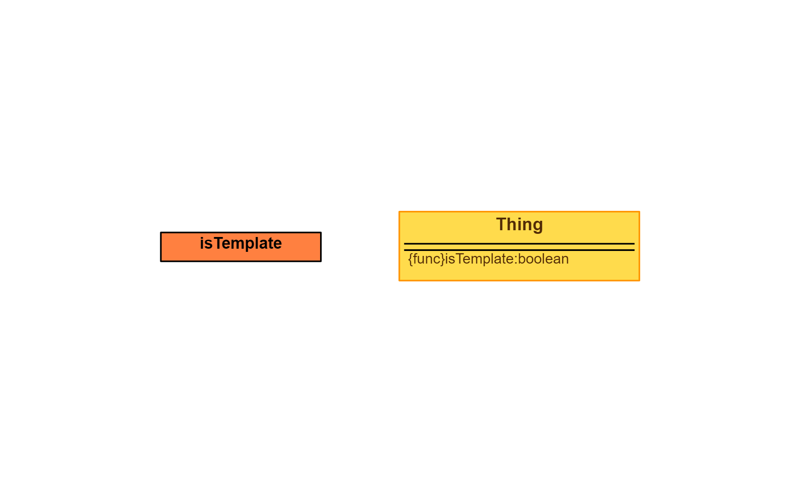
 | Triples |  | IMAGE
Node 1 | Edge | Node 2
No Edges

96 TimeIndexedParticipation
Source: | http://ontologydesignpatterns.org/wiki/Submissions:Time_indexed_participation

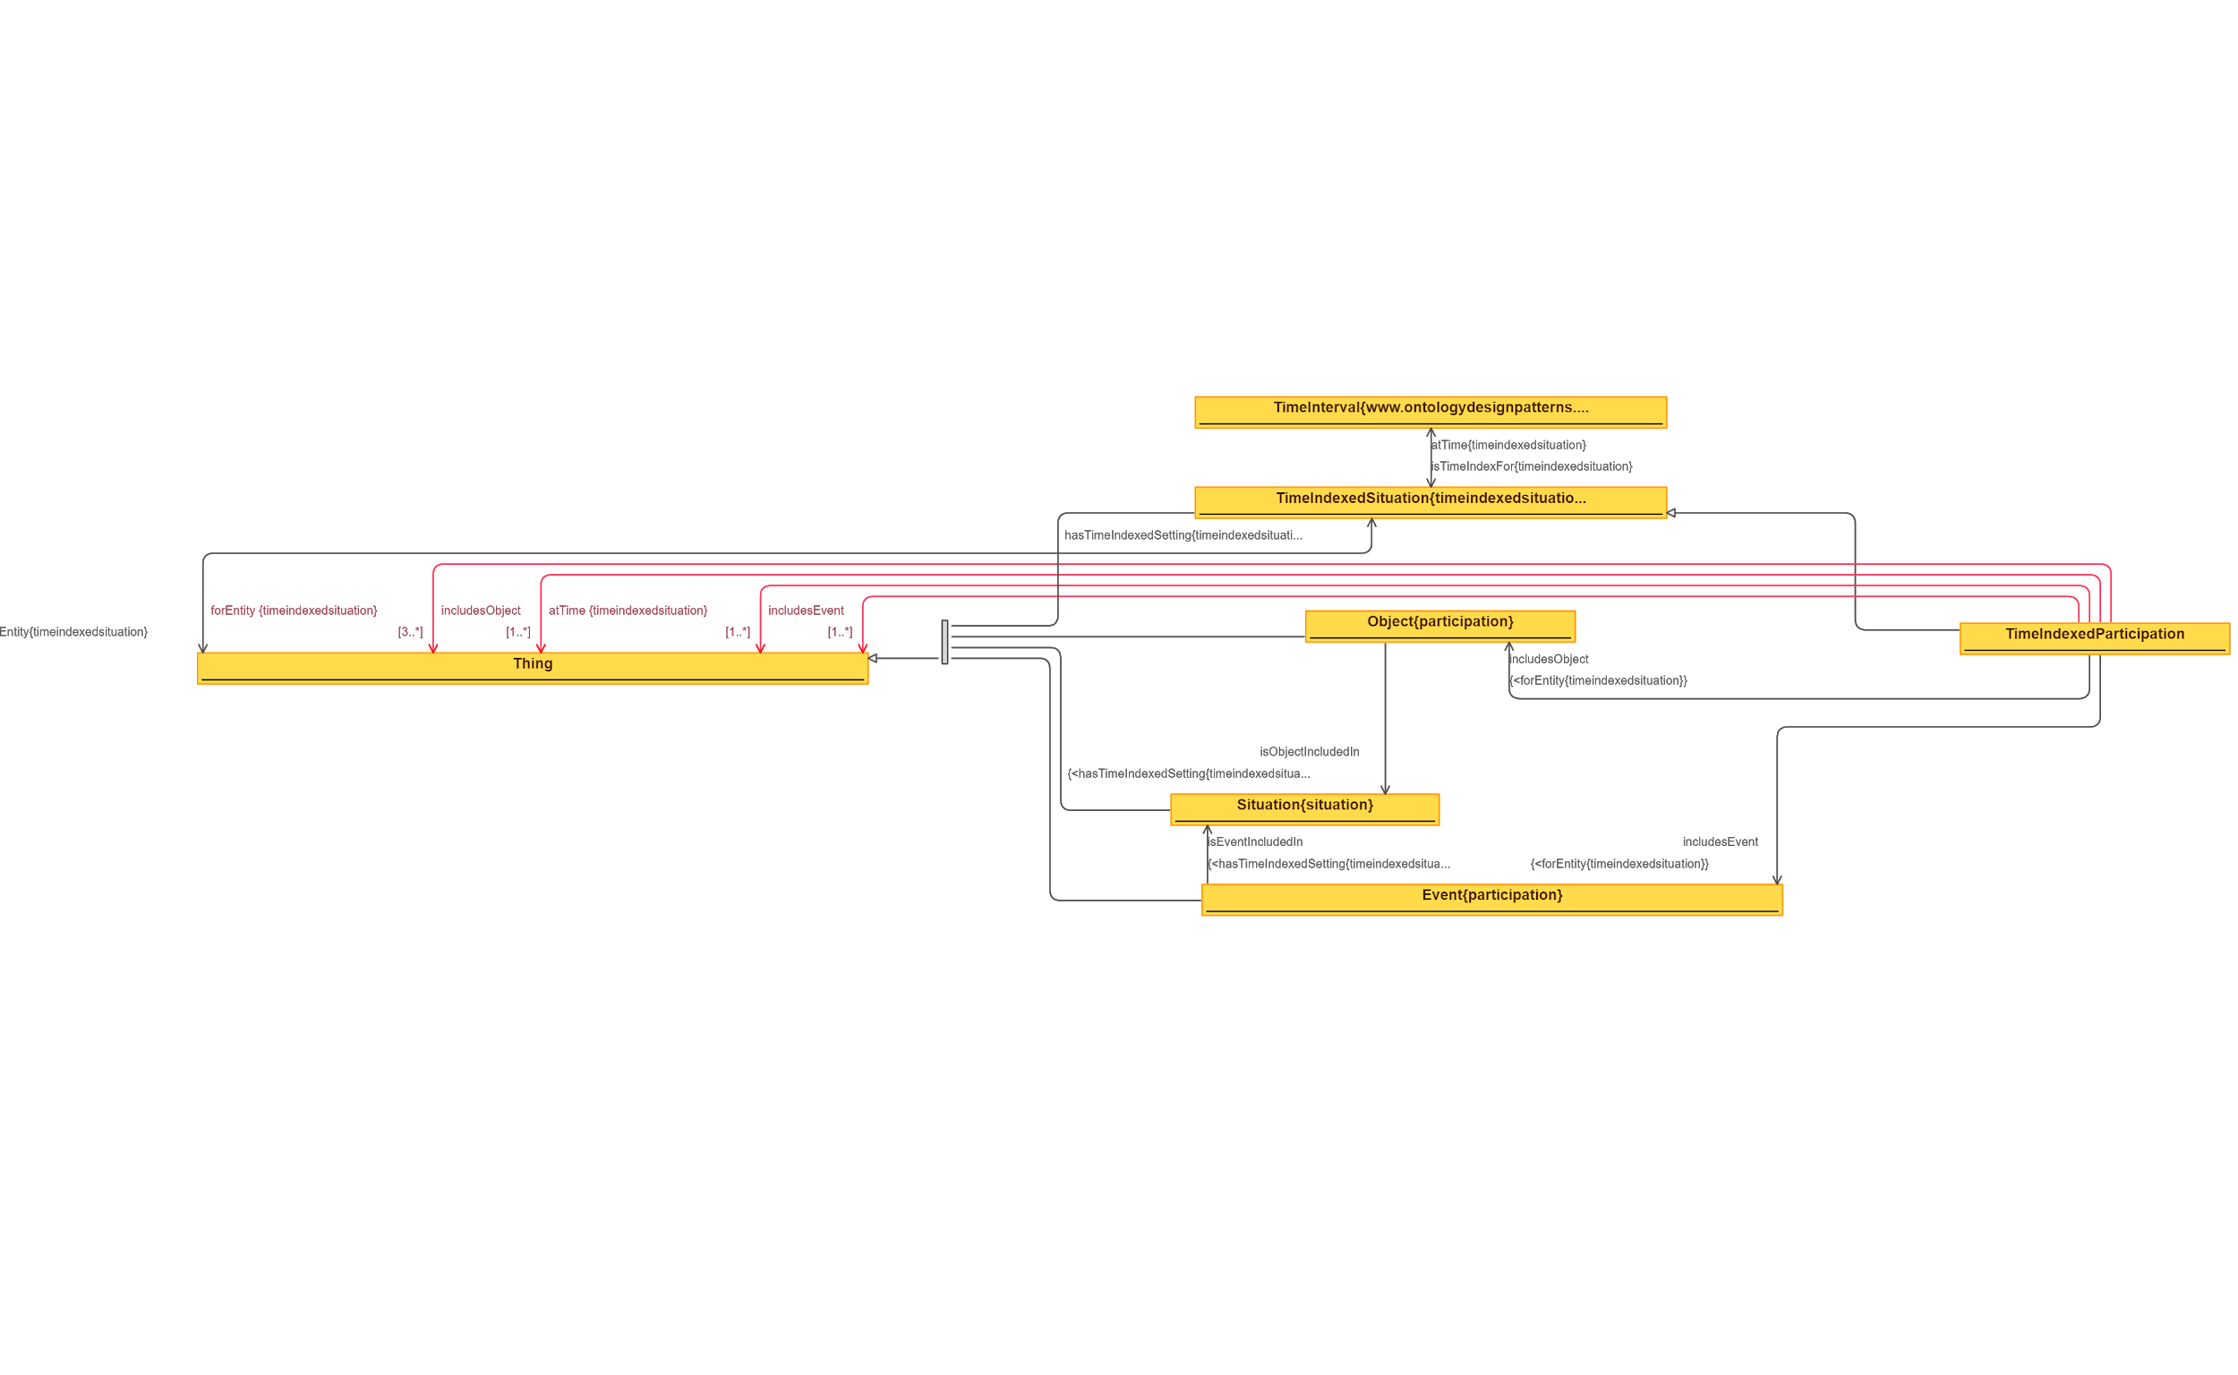
 | Triples |  | IMAGE
Node 1 | Edge | Node 2
Thing | hasTimeIndexedSetting | TimeIndexedSituation
TimeIndexedSituation | forEntity | Thing
TimeIndexedSituation | subClassOf | Thing
Object | subClassOf | Thing
Situation | subClassOf | Thing
Event | subClassOf | Thing
Object | isObjectIncludedIn | Situation
Event | isEventIncludedIn | Situation
TimeInterval | isTimeIndexFor | TimeIndexedSituation
TimeIndexedSituation | atTime | TimeInterval
TimeIndexedParticipation | subClassOf | TimeIndexedSituation
TimeIndexedParticipation | includesObject | Object
TimeIndexedParticipation | includesEvent | Event
TimeIndexedParticipation | subClassOf | forEntity >= 3 Thing
TimeIndexedParticipation | subClassOf | includesObject some Thing
TimeIndexedParticipation | subClassOf | atTime some Thing
TimeIndexedParticipation | subClassOf | IncludesEvent some Thing

97 TimeIndexedPersonRole - Remo
Source: | http://ontologydesignpatterns.org/wiki/Submissions:Time_indexed_person_role

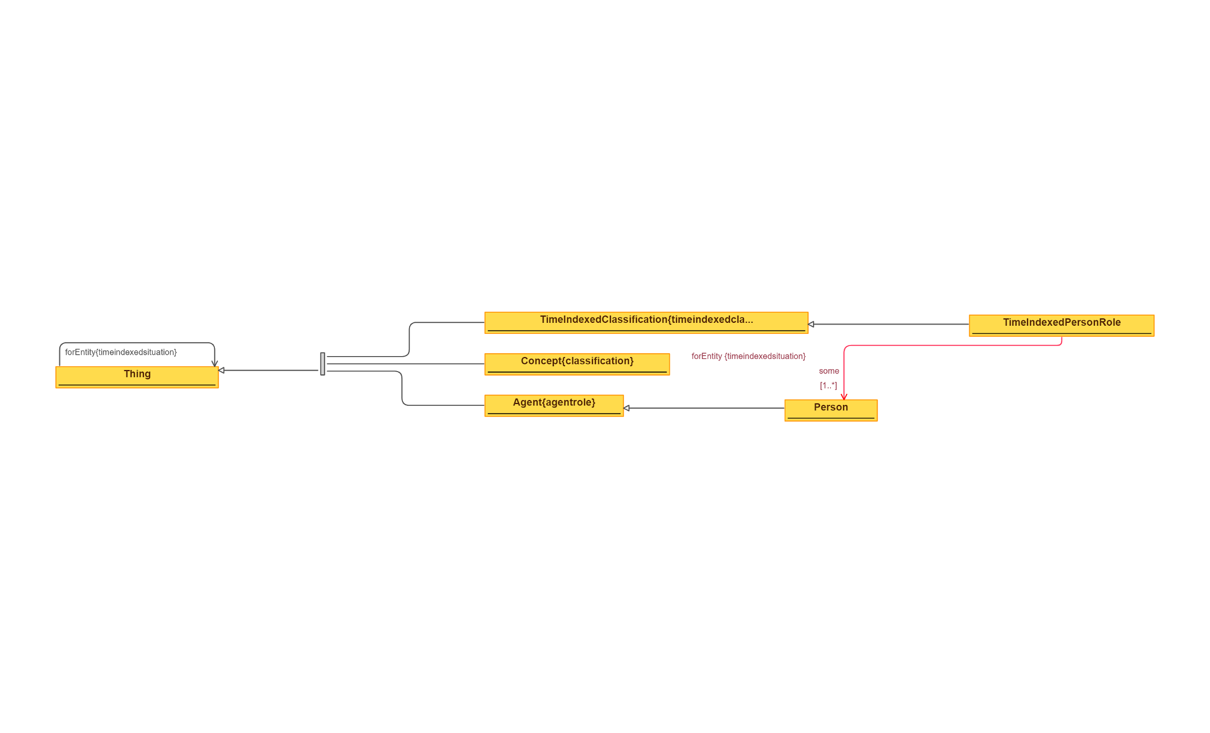
 | Triples |  | IMAGE
Node 1 | Edge | Node 2
Thing | forEntity | Thing
TimeIndexedClassification | subClassOf | Thing
Concept | subClassOf | Thing
Agent | subClassOf | Thing
Person | subClassOf | Agent
TimeIndexedPersonRole | subClassOf | TimeIndexedClassification
TimeIndexedPersonRole | subClassOf | forEntity some Person

98 TimeIndexedSituation
Source: | http://ontologydesignpatterns.org/wiki/Submissions:TimeIndexedSituation

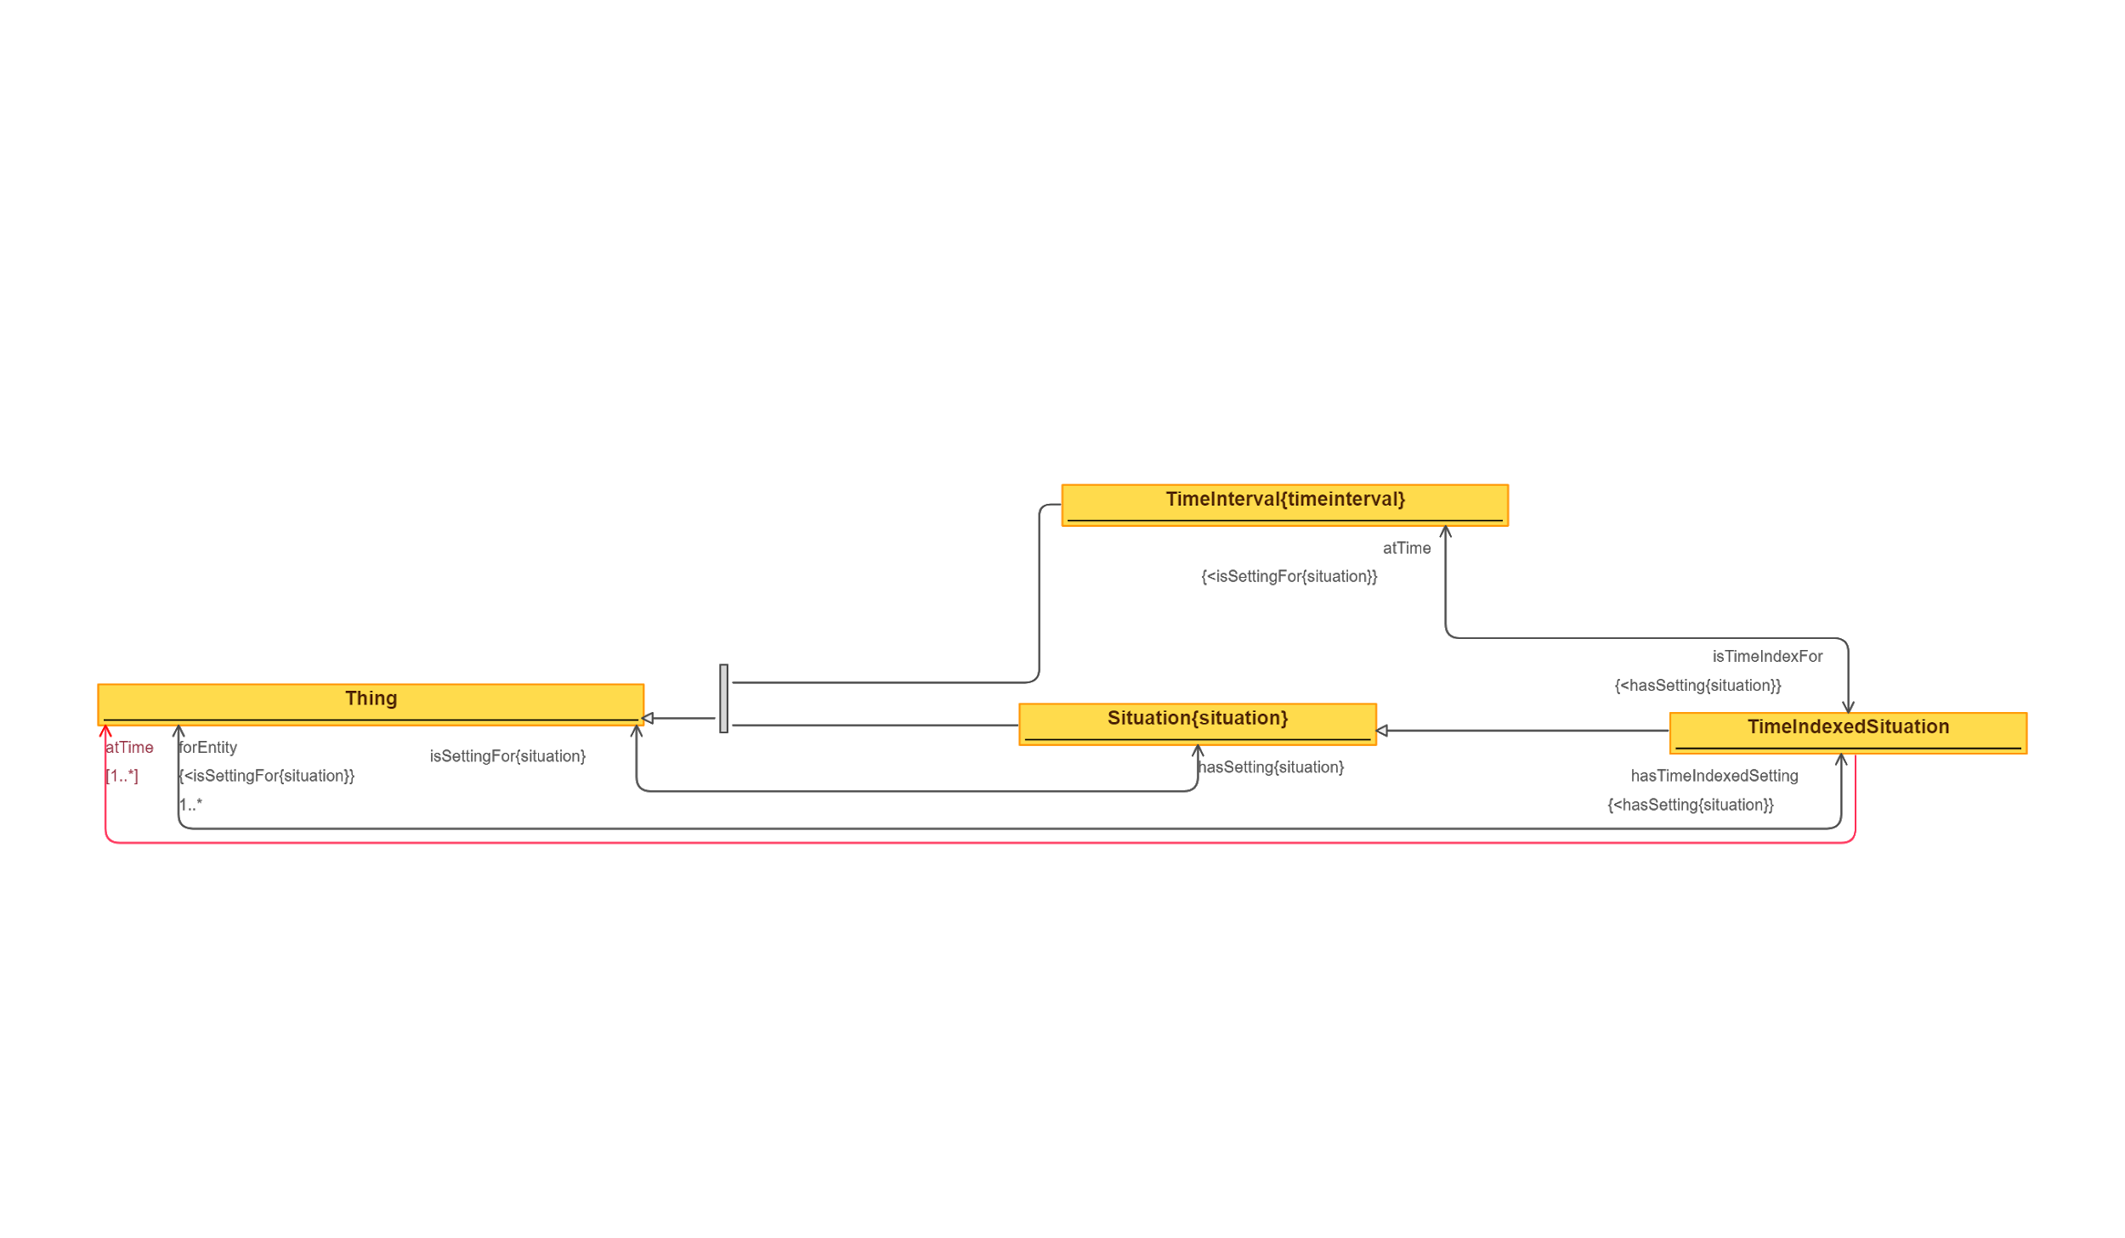
 | Triples |  | IMAGE
Node 1 | Edge | Node 2
Thing | hasTimeIndexedSetting | TimeIndexedSituation
TimeIndexedSituation | forEntity | Thing
Thing | hasSetting | Situation
Situation | isSettingFor | Thing
Situation | subClassOf | Thing
TimeInterval | subClassOf | Thing
TimeIndexedSituation | subClassOf | Situation
TimeIndexedSituation | atTime | TimeInterval
TimeInterval | isTimeIndexFor | TimeIndexedSituation
TimeIndexedSituation | subClassOf | atTime some Thing

99 TimeIndexedPartOf
Source: | http://ontologydesignpatterns.org/wiki/Submissions:TimeIndexedPartOf

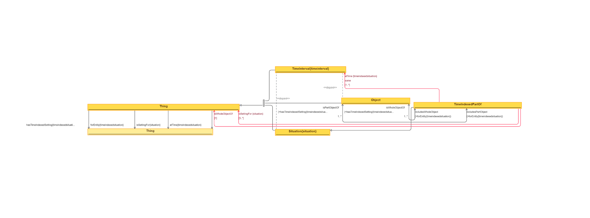
 | Triples |  | IMAGE
Node 1 | Edge | Node 2
Thing | hasTimeIndexedSetting | Thing
Thing | forEntity | Thing
Thing | isSettingFor | Thing
Thing | atTime | Thing
TimeInterval | subClassOf | Thing
Situation | subClassOf | Thing
Situation | disjointClass | TimeInterval
Object | subClassOf | Thing
Object | disjointClass | TimeInterval
TimeIndexedPartOf | subClassOf | Situation
Object | includesWholeObject | TimeIndexedPartOf
TimeIndexedPartOf | isWholeObjectOf | Object
Object | includesPartObject | TimeIndexedPartOf
TimeIndexedPartOf | isPartObjectOf | Object
TimeIndexedPartOf | subClassOf | atTime some TimeInterval
TimeIndexedPartOf | subClassOf | isWholeObjectOf 1 Thing
TimeIndexedPartOf | subClassOf | isSettingFor >= 3 Thing

100 TimeInterval - Removed Impo
Source: | http://ontologydesignpatterns.org/wiki/Submissions:TimeInterval

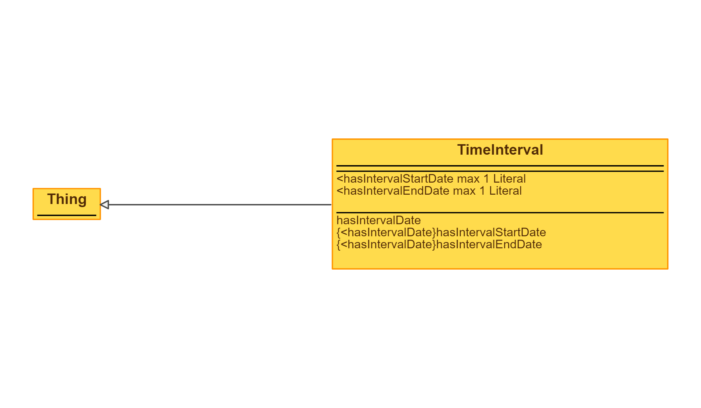
 | Triples |  | IMAGE
Node 1 | Edge | Node 2
TimeInterval | subClassOf | Thing

101 Topic
Source: | http://ontologydesignpatterns.org/wiki/Submissions:Topic

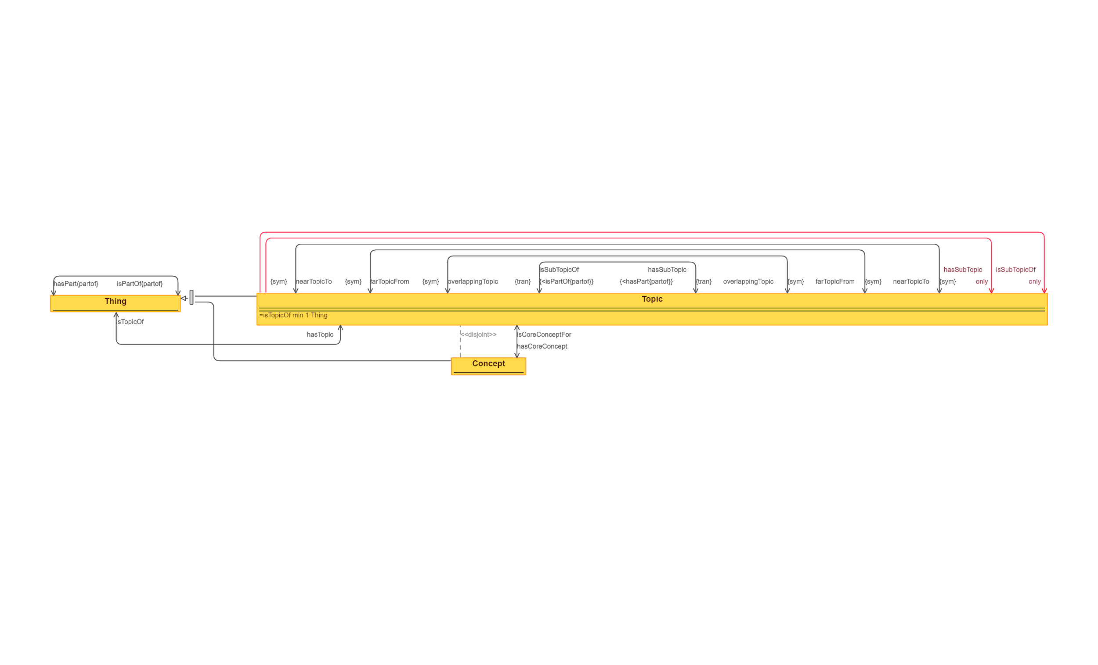
 | Triples |  | IMAGE
Node 1 | Edge | Node 2
Thing | hasPart | Thing
Thing | isPartOf | Thing
Concept | subClassOf | Thing
Topic | subClassOf | Thing
Concept | disjointClass | Topic
Thing | hasTopic | Topic
Topic | isTopicOf | Thing
Concept | isCoreConceptFor | Topic
Topic | hasCoreConcept | Concept
Topic | hasSubTopic | Topic
Topic | isSubTopicOf | Topic
Topic | overlappingTopic | Topic
Topic | farTopicFrom | Topic
Topic | nearTopicTo | Topic
Topic | subClassOf | hasSubTopic only Topic
Topic | subClassOf | isSubTopicOf only Topic

102 Trajectory
Source: | http://ontologydesignpatterns.org/wiki/Submissions:Trajectory
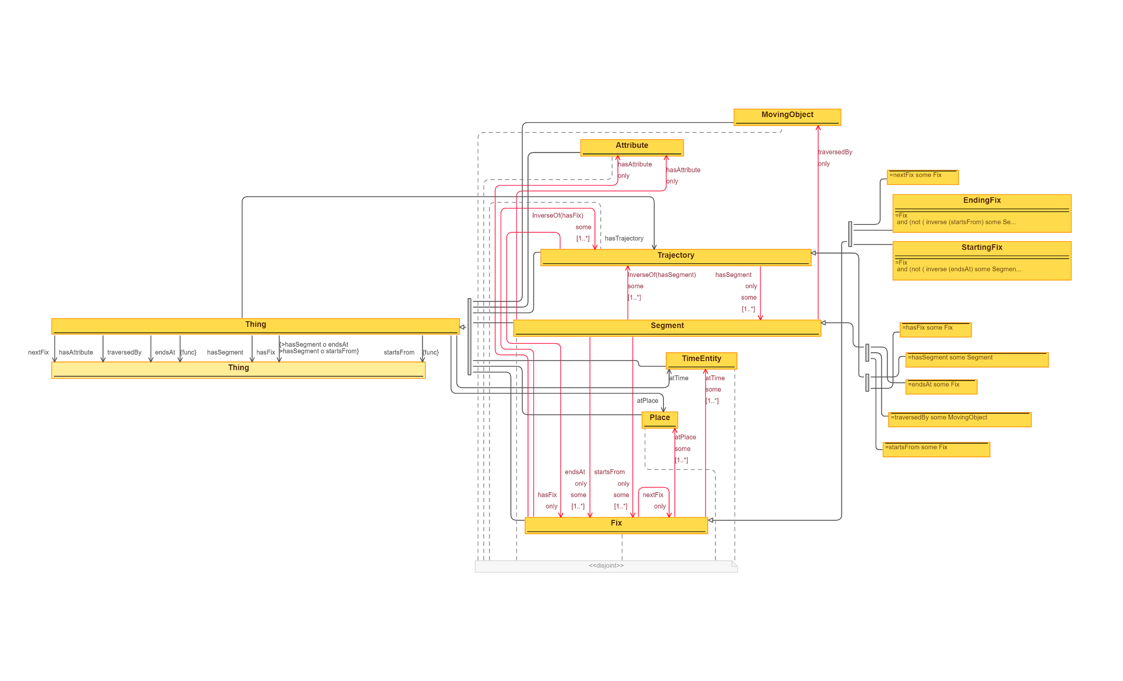
 | Triples |  | IMAGE
Node 1 | Edge | Node 2
Thing | nextFix | Thing
Thing | hasAttribute | Thing
Thing | traversedBy | Thing
Thing | endsAt | Thing
Thing | hasSegment | Thing
Thing | hasFix | Thing
Thing | startsFrom | Thing
Thing | hasTrajectory | Trajectory
Thing | atTime | TimeEntity
Thing | atPlace | Place
MovingObject | subClassOf | Thing
Attribute | subClassOf | Thing
Trajectory | subClassOf | Thing
Trajectory | subClassOf | hasFix only Fix
Trajectory | subClassOf | hasSegment only some Segment
hasSegment some Segment | subClassOf | Trajectory
hasFix some Fix | subClassOf | Trajectory
Segment | subClassOf | Thing
Segment | subClassOf | traversedBy only MovingObject
Segment | subClassOf | inverseOf(hasSegment) some Trajectory
Segment | subClassOf | startsFrom only some Fix
Segment | subClassOf | endsAt only some Fix
Segment | subClassOf | hasAttribute only Attribute
endsAt some Fix | subClassOf | Segment
startsFrom some Fix | subClassOf | Segment
traversedBy some MovingObject | subClassOf | Segment
TimeEntity | subClassOf | Thing
Place | subClassOf | Thing
Fix | subClassOf | Thing
Fix | subClassOf | hasAttribute only Attribute
Fix | subClassOf | inverseOf(hasFix) some Trajectory
Fix | subClassOf | nexFix only Fix
Fix | subClassOf | atPlace some Place
Fix | subClassOf | atTime some TimeEntity
nextFix some Fix | subClassOf | Fix
EndingFix | subClassOf | Fix
StartingFix | subClassOf | Fix
disjointClasses( TimeEntity, Place, Fix, Segment, Trajectory, Attribute, MovingObject )

103 Transition
Source: | http://ontologydesignpatterns.org/wiki/Submissions:Transition

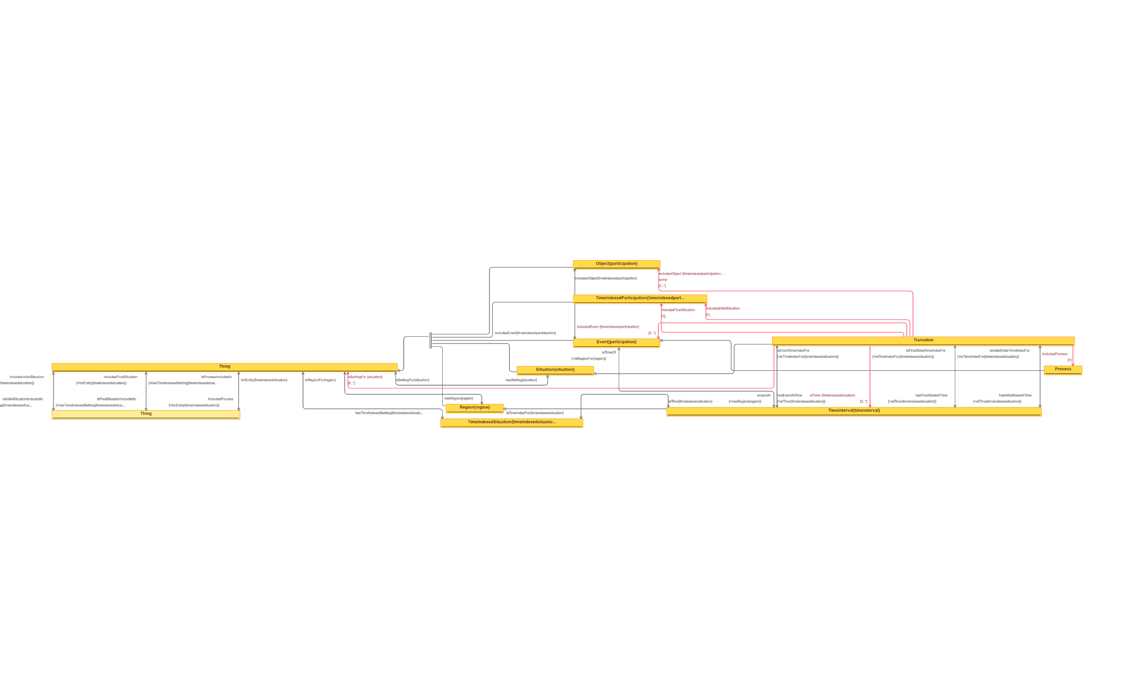
 | Triples |  | IMAGE
Node 1 | Edge | Node 2
Thing | includesInitialSituation | Thing
Thing | isInitialSituationIncluedIn | Thing
Thing | includesFinalSituationn | Thing
Thing | isFinalSituationIncludedIn | Thing
Thing | isProcessIncludedIn | Thing
Thing | includesProccess | Thing
Thing | hasTimeIndexedSetting | TimeIndexedSituation
TimeIndexedSituation | forEntity | Thing
Region | isRegionFor | Thing
Thing | hasRegion | Region
Region | subClassOf | Thing
Situation | subClassOf | Thing
Situation | isSettingFor | Thing
Thing | hasSetting | Situation
Event | subClassOf | Thing
TimeIndexedParticipation | subClassOf | Thing
TimeIndexedParticipation | includesEvent | Event
TimeIndexedParticipation | includesObject | Object
Object | subClassOf | Thing
Process | subClassOf | Event
TimeInterval | subClassOf | Region
TimeInterval | isTimeIndexFor | TimeIndexedSituation
TimeIndexedSituation | atTime | TimeInterval
TimeInterval | isTimeOf | Event
Event | occursAt | TimeInterval
TimeInterval | isEventTimeIndexFor | Transition
Transition | hasEventAtTime | TimeInterval
TimeInterval | isFinalStateTimeIndexFor | Transition
Transition | hasFinalStateAtTime | TimeInterval
TimeInterval | isInitialStateTimeIndexFor | Transition
Transition | hasInitialStateAtTime | TimeInterval
Transition | subClassOf | Situation
Transition | subClassOf | includesProcess 1 Process
Transition | subClassOf | atTime >= 3 TimeInterval
Transition | subClassOf | isSettingFor >= 8 Thing
Transition | subClassOf | includesFinalSituation 1 TimeIndexedParticipation
Transition | subClassOf | includesEvent >= 2 Event
Transition | subClassOf | includesInitialSituation 1 TimeIndexedParticipation
Transition | subClassOf | includesObject some Object

104 TypesOfEntities
Source: | http://ontologydesignpatterns.org/wiki/Submissions:Types_of_entities

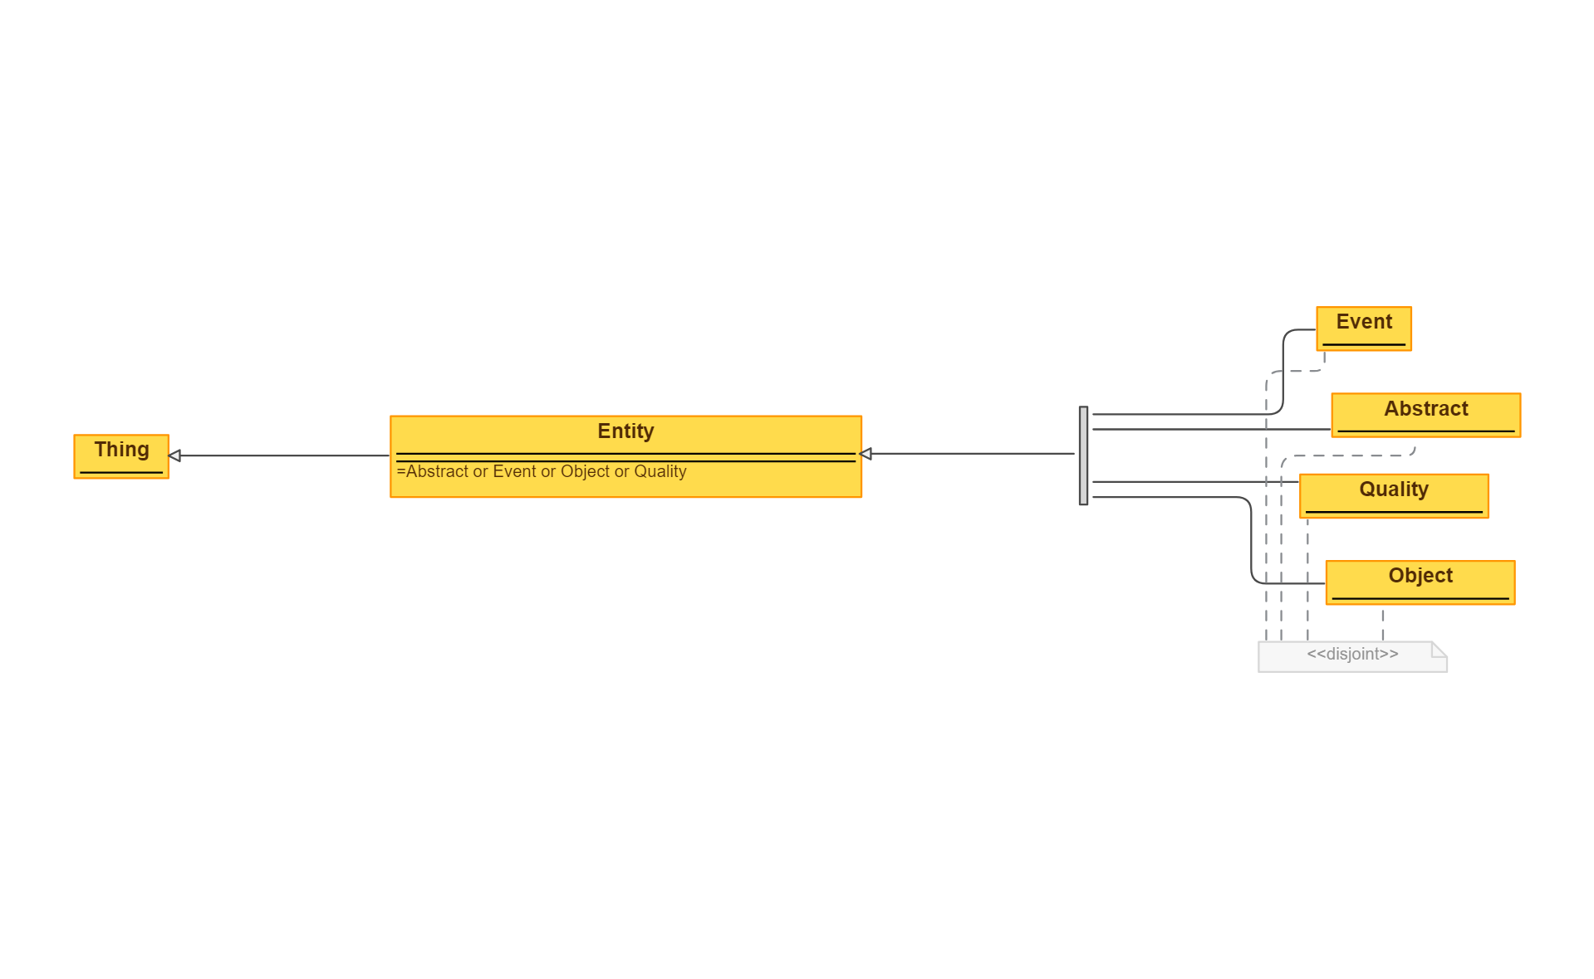
 | Triples |  | IMAGE
Node 1 | Edge | Node 2
Entity | subClassOf | Thing
Event | subClassOf | Entity
Abstract | subClassOf | Entity
Quality | subClassOf | Entity
Object | subClassOf | Entity
disjointClasses( Event, Abstract, Quality, Object )

105 VesselSpecies - Removed Imp
Source: | http://ontologydesignpatterns.org/wiki/Submissions:VesselSpecies

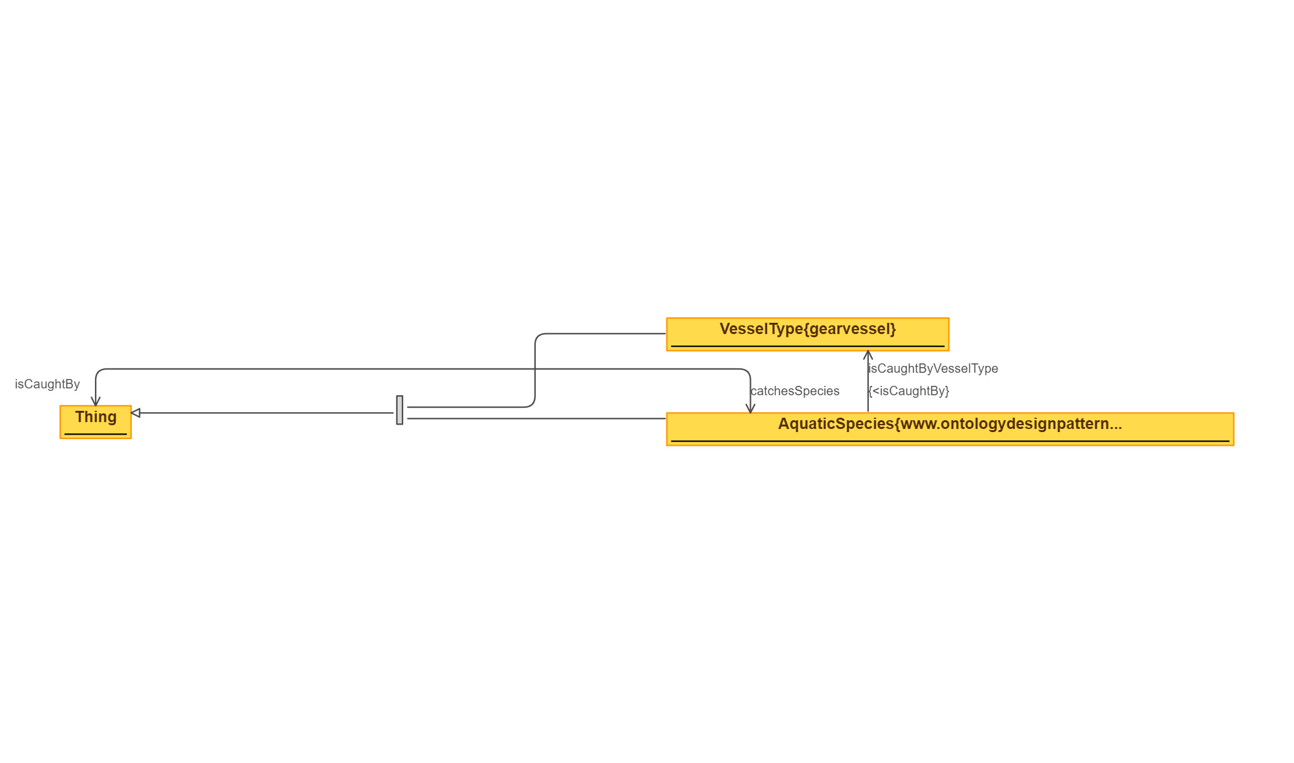
 | Triples |  | IMAGE
Node 1 | Edge | Node 2
Thing | catchesSpecies | AquaticSpecies
AquaticSpecies | isCaughtBy | Thing
VesselType | subClassOf | Thing
AquaticSpecies | subClassOf | Thing
AquaticSpecies | isCaughtByVesselType | VesselType

106 VesselWaterArea - Removed I
Source: | http://ontologydesignpatterns.org/wiki/Submissions:VesselWaterArea

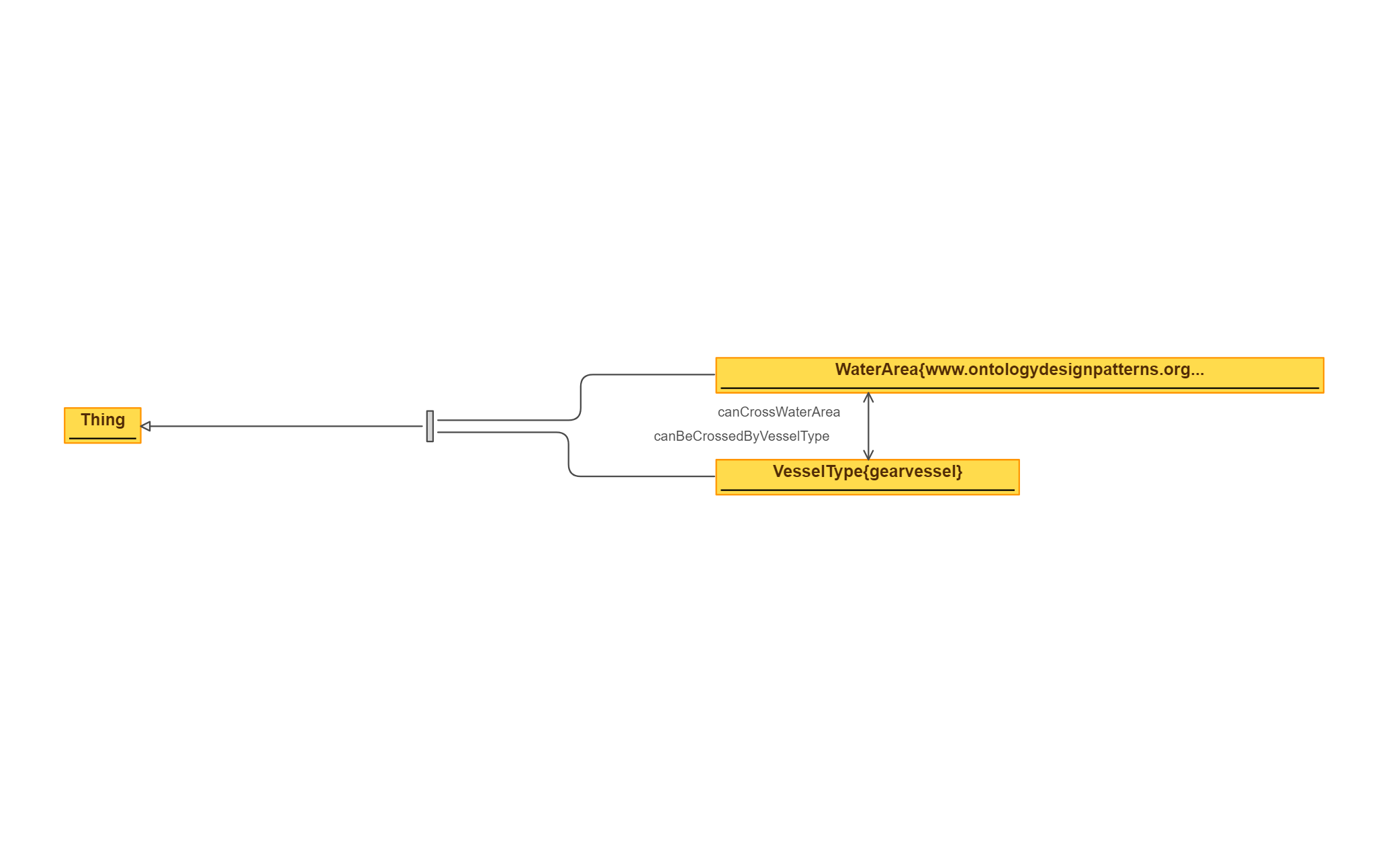
 | Triples |  | IMAGE
Node 1 | Edge | Node 2
WaterArea | subClassOf | Thing
VesselType | subClassOf | Thing
WaterArea | canBeCrossedByVesselType | VesselType
VesselType | canCrossWaterArea | WaterArea

